OS環境設定
OS環境設定手順

説明
 | ・OS環境設定手順を示します。

■OS環境設定手順

1.ネットワークアダプタ設定
 | [root@qampc1w1 ~]# cat /etc/sysconfig/network-scripts/ifcfg-eth0
 | # Created by cloud-init automatically, do not edit.
 | #
 | AUTOCONNECT_PRIORITY=120
 | BOOTPROTO=dhcp
 | DEVICE=eth0
 | HWADDR=06:75:C3:95:7C:49
 | ONBOOT=yes
 | TYPE=Ethernet
 | USERCTL=no
 | PROXY_METHOD=none
 | BROWSER_ONLY=no
 | DEFROUTE=yes
 | PEERDNS=no
 | IPV4_FAILURE_FATAL=no
 | IPV6INIT=no
 | IPV6_DEFROUTE=yes
 | IPV6_FAILURE_FATAL=no
 | NAME="System eth0"
 | UUID=5fb06bd0-0bb0-7ffb-45f1-d6edd65f3e03
 | DNS1=129.249.85.181

2.DNS
 | [root@qampc1w1 ~]# cat /etc/resolv.conf
 | # Generated by NetworkManager
 | search ap-northeast-1.compute.internal
 | nameserver 10.217.155.2
 | [root@qampc1w1 ~]# nmcli connection modify "System eth0" ipv4.ignore-auto-dns yes
 | [root@qampc1w1 ~]# nmcli connection modify "System eth0" ipv4.dns "129.249.85.181"
 | [root@qampc1w1 ~]# nmcli connection up "System eth0"
 | 接続が正常にアクティベートされました (D-Bus アクティブパス: /org/freedesktop/NetworkManager/ActiveConnection/3)
 | [root@qampc1w1 ~]# systemctl restart NetworkManager
 | [root@qampc1w1 ~]# cat /etc/resolv.conf
 | # Generated by NetworkManager
 | nameserver 129.249.85.181
 | [root@qampc1w1 ~]#

3.hosts
 | [root@qampc1w1 ~]# cat /etc/hosts
 | 127.0.0.1 localhost localhost.localdomain localhost4 localhost4.localdomain4
 | ::1 localhost localhost.localdomain localhost6 localhost6.localdomain6
 | 10.217.155.111 qampc1w1
 | 10.217.155.111 qampcjP1

 | [root@qampc1w1 ~]#

2.システム情報
 | ローカルユーザグループの追加
 | sudo groupadd -g 1001 effortg
 | sudo groupadd -g 20000 mtgrp
 | sudo groupadd -g 501 cpbackup
 | ローカルユーザアカウント
 | useradd -u 1001 -g effortg -d /data3/effort_system/ftpArea/fx51012 -m -s /bin/bash fx51012
 | useradd -u 1002 -g effortg -d /data3/effort_system/ftpArea/at32011 -m -s /bin/bash at32011
 | useradd -u 1003 -g effortg -d /home/essystem -m -s /bin/bash essystem
 | useradd -u 1004 -g effortg -d /home/gemstone -m -s /bin/bash gemstone
 | useradd -u 1005 -g effortg -d /data3/effort_system/ftpArea/fx32004 -m -s /bin/bash fx32004
 | useradd -u 1009 -g effortg -d /data3/effort_system/ftpArea/batchuse -m -s /bin/bash batchuse
 | useradd -u 1014 -g effortg -d /data3/effort_system/ftpArea/fx11002 -m -s /bin/bash fx11002
 | useradd -u 20015 -g mtgrp -d /home/logadmin -m -s /bin/bash logadmin
 | useradd -u 1016 -g effortg -d /data3/effort_system/ftpArea/fx20027 -m -s /bin/bash fx20027
 | useradd -u 501 -g cpbackup -d /home/cpbackup -m -s /bin/bash cpbackup

 | chmod 700 /home/gemstone
 | chmod 700 /data3/effort_system/ftpArea/fx51012
 | chmod 700 /data3/effort_system/ftpArea/at32011
 | chmod 700 /home/essystem
 | chmod 700 /data3/effort_system/ftpArea/fx32004
 | chmod 700 /data3/effort_system/ftpArea/batchuse
 | chmod 700 /data3/effort_system/ftpArea/fx11002
 | chmod 700 /home/logadmin
 | chmod 700 /data3/effort_system/ftpArea/fx20027
 | chmod 700 /home/cpbackup

 | passwd gemstone
 | 3030c6e5
 | passwd fx51012
 | 571f4ece
 | passwd at32011
 | b3d4b546
 | passwd essystem
 | feb5c1e6
 | passwd fx32004
 | bacf76d3
 | passwd batchuse
 | 35f5c558
 | passwd fx11002
 | 4d890388
 | passwd logadmin
 | mc#00731
 | passwd fx20027
 | 20IF23di
 | passwd cpbackup
 | cp#00731

 | sudo useradd -m -d /home/postgres postgres
 | chmod 700 /home/postgres
 | passwd postgres
 | qapostgres

2-1.bash_profile
 | [root@qampc1w1 ~]# cat ~/.bash_profile
 | # .bash_profile

 | # Get the aliases and functions
 | if [ -f ~/.bashrc ]; then
 | . ~/.bashrc
 | fi

 | # User specific environment and startup programs

 | PATH=$PATH:$HOME/bin

 | export PATH
 | unset USERNAME
 | [root@qampc1w1 ~]# su - essystem
 | 最終ログイン: 2026/06/15 (月) 14:45:31 JST 日時 pts/0
 | [essystem@qampc1w1 ~]$ cat ~/.bash_profile
 | # .bash_profile

 | # Get the aliases and functions
 | if [ -f ~/.bashrc ]; then
 | . ~/.bashrc
 | fi

 | # User specific environment and startup programs

 | PATH=$PATH:$HOME/bin

 | export PATH
 | [essystem@qampc1w1 ~]$ exit
 | ログアウト
 | [root@qampc1w1 ~]# su - logadmin
 | 最終ログイン: 2026/06/15 (月) 14:49:14 JST 日時 pts/0
 | [logadmin@qampc1w1 ~]$ cat ~/.bash_profile
 | # .bash_profile

 | # Get the aliases and functions
 | if [ -f ~/.bashrc ]; then
 | . ~/.bashrc
 | fi

 | # User specific environment and startup programs

 | PATH=$PATH:$HOME/bin

 | export PATH
 | [logadmin@qampc1w1 ~]$ exit
 | ログアウト
 | [root@qampc1w1 ~]# su - postgres
 | 最終ログイン: 2026/06/15 (月) 15:18:29 JST 日時 pts/0
 | [postgres@qampc1w1 ~]$ cat ~/.bash_profile
 | # .bash_profile

 | # Get the aliases and functions
 | if [ -f ~/.bashrc ]; then
 | . ~/.bashrc
 | fi

 | # User specific environment and startup programs

 | PATH=$PATH:$HOME/bin

 | export PATH
 | unset USERNAME

 | umask 022

 | export PGSQL_HOME=/usr/pgsql-17
 | export PATH=$PATH:$PGSQL_HOME/bin
 | export LANG=ja_JP.UTF-8
 | export PSQL_SID=mpdb1
 | [postgres@qampc1w1 ~]$ exit
 | ログアウト
 | [root@qampc1w1 ~]# su - gemstone
 | 最終ログイン: 2026/06/15 (月) 14:48:01 JST 日時 pts/0
 | [gemstone@qampc1w1 ~]$ cat ~/.bash_profile
 | # .bash_profile

 | # Get the aliases and functions
 | if [ -f ~/.bashrc ]; then
 | . ~/.bashrc
 | fi

 | # User specific environment and startup programs

 | PATH=$PATH:$HOME/bin

 | export PATH
 | [gemstone@qampc1w1 ~]$ exit
 | ログアウト
 | [root@qampc1w1 ~]# su - logadmin
 | 最終ログイン: 2026/06/15 (月) 15:20:00 JST 日時 pts/0
 | [logadmin@qampc1w1 ~]$ cat ~/.bash_profile
 | # .bash_profile

 | # Get the aliases and functions
 | if [ -f ~/.bashrc ]; then
 | . ~/.bashrc
 | fi

 | # User specific environment and startup programs

 | PATH=$PATH:$HOME/bin

 | export PATH
 | [logadmin@qampc1w1 ~]$

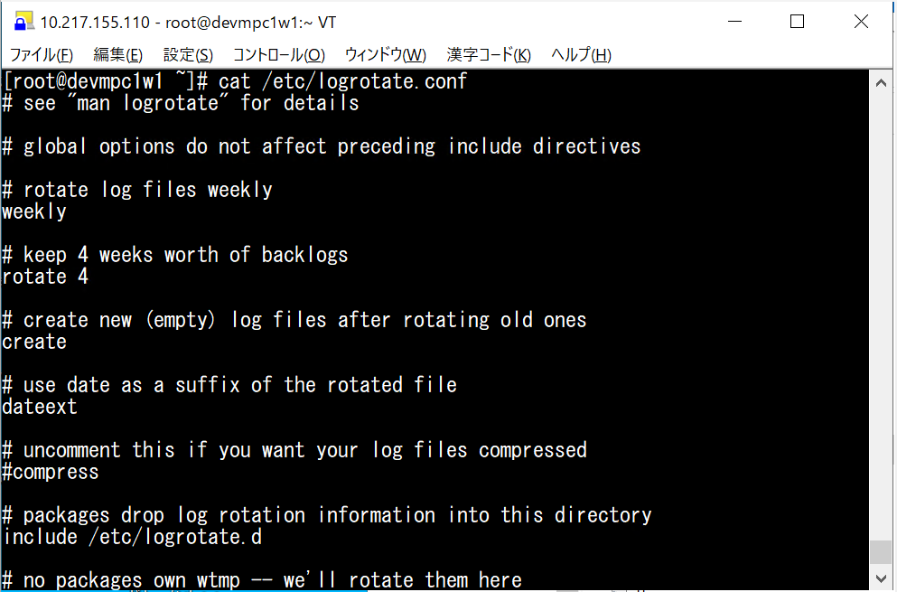
2-2.ログローテーション
 | [root@qampc1w1 ~]# cat /etc/logrotate.conf
 | # see "man logrotate" for details

 | # global options do not affect preceding include directives

 | # rotate log files weekly
 | weekly

 | # keep 4 weeks worth of backlogs
 | rotate 4

 | # create new (empty) log files after rotating old ones
 | create

 | # use date as a suffix of the rotated file
 | dateext
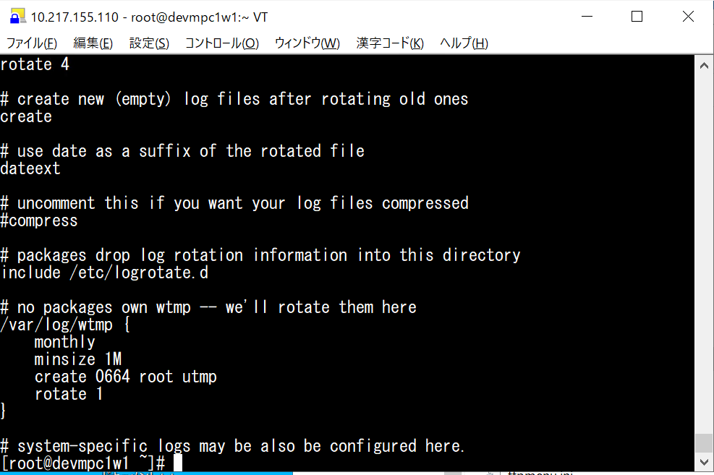
 | # uncomment this if you want your log files compressed
 | #compress

 | # packages drop log rotation information into this directory
 | include /etc/logrotate.d

 | # no packages own wtmp -- we'll rotate them here
 | /var/log/wtmp {
 | monthly
 | minsize 1M
 | create 0664 root utmp
 | rotate 1
 | }

 | # system-specific logs may be also be configured here.
 | [root@qampc1w1 ~]#

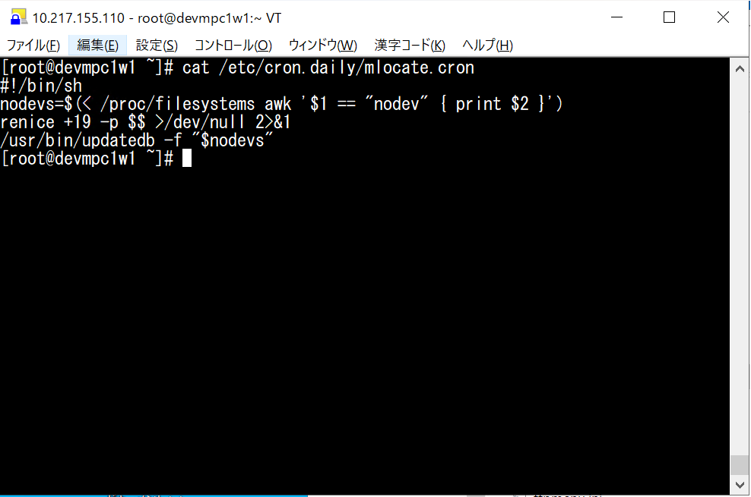
2-6.locateのupdatedbの設定
 | [root@qampc1w1 ~]# cat /etc/cron.daily/mlocate.cron
 | #!/bin/sh
 | nodevs=$(< /proc/filesystems awk '$1 == "nodev" { print $2 }')
 | renice +19 -p $$ >/dev/null 2>&1
 | /usr/bin/updatedb -f "$nodevs"
 | [root@qampc1w1 ~]#

2-8.カーネルパラメータの設定
proxyの設定
 | [root@mpc1w1 ~]#
 | [root@mpc1w1 ~]# cat /etc/profile
 | …................
 | #proxy設定
 | export http_proxy="http://netskope.proxy.gl01.fujifilm-intra.com:8080"
 | export https_proxy="http://netskope.proxy.gl01.fujifilm-intra.com:8080"
 | # AWS CLI専用：
 | # EC2のIAMロール認証情報は、Instance Metadata Service（IMDS）の
 | # ローカルアドレス（169.254.169.254）から取得する。
 | # 当該アクセスが社内Proxy（Netskope）を経由しないように設定する。
 | export no_proxy="169.254.169.254,localhost,127.0.0.1"
 | export NO_PROXY="169.254.169.254,localhost,127.0.0.1"

 | [root@qampc1w1 ~]# cat /etc/selinux/config

 | # This file controls the state of SELinux on the system.
 | # SELINUX= can take one of these three values:
 | # enforcing - SELinux security policy is enforced.
 | # permissive - SELinux prints warnings instead of enforcing.
 | # disabled - No SELinux policy is loaded.
 | # See also:
 | # https://access.redhat.com/documentation/en-us/red_hat_enterprise_linux/9/html/using_selinux/changing-selinux-states-and-modes_using-selinux#changing-selinux-modes-at-boot-time_changing-selinux-states-and-modes
 | #
 | # NOTE: Up to RHEL 8 release included, SELINUX=disabled would also
 | # fully disable SELinux during boot. If you need a system with SELinux
 | # fully disabled instead of SELinux running with no policy loaded, you
 | # need to pass selinux=0 to the kernel command line. You can use grubby
 | # to persistently set the bootloader to boot with selinux=0:
 | #
 | # grubby --update-kernel ALL --args selinux=0
 | #
 | # To revert back to SELinux enabled:
 | #
 | # grubby --update-kernel ALL --remove-args selinux
 | #
 | SELINUX=disabled
 | # SELINUXTYPE= can take one of these three values:
 | # targeted - Targeted processes are protected,
 | # minimum - Modification of targeted policy. Only selected processes are protected.
 | # mls - Multi Level Security protection.
 | SELINUXTYPE=targeted

chrony.confの設定
 | [root@qampc1w1 importDB]# cat /etc/chrony.conf
 | # server 169.254.169.123 prefer iburst minpoll 4 maxpoll 4
 | server ntp.jp01.fujifilm-intra.com prefer iburst minpoll 4 maxpoll 4
 | # Use public servers from the pool.ntp.org project.
 | # Please consider joining the pool (https://www.pool.ntp.org/join.html).

 | # Use NTP servers from DHCP.
 | sourcedir /run/chrony-dhcp

 | # Record the rate at which the system clock gains/losses time.
 | driftfile /var/lib/chrony/drift

 | # Allow the system clock to be stepped in the first three updates
 | # if its offset is larger than 1 second.
 | makestep 1.0 3

 | # Enable kernel synchronization of the real-time clock (RTC).
 | rtcsync

 | # Enable hardware timestamping on all interfaces that support it.
 | #hwtimestamp *

 | # Increase the minimum number of selectable sources required to adjust
 | # the system clock.
 | #minsources 2

 | # Allow NTP client access from local network.
 | #allow 192.168.0.0/16

 | # Serve time even if not synchronized to a time source.
 | #local stratum 10

 | # Require authentication (nts or key option) for all NTP sources.
 | #authselectmode require

 | # Specify file containing keys for NTP authentication.
 | keyfile /etc/chrony.keys

 | # Save NTS keys and cookies.
 | ntsdumpdir /var/lib/chrony

 | # Insert/delete leap seconds by slewing instead of stepping.
 | #leapsecmode slew

 | # Get TAI-UTC offset and leap seconds from the system tz database.

 | # Specify directory for log files.
 | logdir /var/log/chrony

 | # Select which information is logged.
 | #log measurements statistics tracking
 | [root@qampc1w1 importDB]# systemctl restart chronyd
 | [root@qampc1w1 importDB]# systemctl status chronyd --no-pager
 | ● chronyd.service - NTP client/server
 | Loaded: loaded (/usr/lib/systemd/system/chronyd.service; enabled; preset: enabled)
 | Active: active (running) since Thu 2026-08-13 15:33:31 JST; 5s ago
 | Docs: man:chronyd(8)
 | man:chrony.conf(5)
 | Process: 545284 ExecStart=/usr/sbin/chronyd $OPTIONS (code=exited, status=0/SUCCESS)
 | Main PID: 545286 (chronyd)
 | Tasks: 1 (limit: 98799)
 | Memory: 1000.0K
 | CPU: 40ms
 | CGroup: /system.slice/chronyd.service
 | mq545286 /usr/sbin/chronyd -F 2

 | 8月 13 15:33:31 qampc1w1 systemd[1]: Starting NTP client/server...
 | 8月 13 15:33:31 qampc1w1 chronyd[545286]: chronyd version 4.6.1 starting …UG)
 | 8月 13 15:33:31 qampc1w1 chronyd[545286]: Loaded 0 symmetric keys
 | 8月 13 15:33:31 qampc1w1 chronyd[545286]: Frequency -7.731 +/- 0.369 ppm …ift
 | 8月 13 15:33:31 qampc1w1 chronyd[545286]: Loaded seccomp filter (level 2)
 | 8月 13 15:33:31 qampc1w1 systemd[1]: Started NTP client/server.
 | 8月 13 15:33:35 qampc1w1 chronyd[545286]: Selected source 10.217.240.243 …om)
 | Hint: Some lines were ellipsized, use -l to show in full.
 | [root@qampc1w1 importDB]# chronyc sources -v

 | .-- Source mode '^' = server, '=' = peer, '#' = local clock.
 | / .- Source state '*' = current best, '+' = combined, '-' = not combined,
 | | / 'x' = may be in error, '~' = too variable, '?' = unusable.
 | || .- xxxx [ yyyy ] +/- zzzz
 | || Reachability register (octal) -. | xxxx = adjusted offset,
 | || Log2(Polling interval) --. | | yyyy = measured offset,
 | || \ | | zzzz = estimated error.
 | || | | \
 | MS Name/IP address Stratum Poll Reach LastRx Last sample
 | ===============================================================================
 | ^* ip-10-217-240-243.ap-nor> 4 4 17 5 -24us[ -58us] +/- 25ms
 | [root@qampc1w1 importDB]#

 | [root@qampc1w1 ~]# cat ~/.bashrc
 | # .bashrc

 | # Source global definitions
 | if [ -f /etc/bashrc ]; then
 | . /etc/bashrc
 | fi

 | # User specific environment
 | if ! [[ "$PATH" =~ "$HOME/.local/bin:$HOME/bin:" ]]
 | then
 | PATH="$HOME/.local/bin:$HOME/bin:$PATH"
 | fi
 | export PATH

 | # Uncomment the following line if you don't like systemctl's auto-paging feature:
 | # export SYSTEMD_PAGER=

 | # User specific aliases and functions

 | alias rm='rm -i'
 | alias cp='cp -i'
 | alias mv='mv -i'
 | alias lt='ls -lt'
 | alias la='ls -la'
 | alias h='history'

 | #fot Hulft Utility
 | HULEXEP=/usr/local/HULFT/bin; export HULEXEP
 | HULPATH=/usr/local/HULFT/etc; export HULPATH
 | PATH=$PATH:$HULEXEP; export PATH
 | PATH=$PATH:$HULPATH; export PATH
 | [root@qampc1w1 ~]#

timedatectl
 | localectl set-locale LANG=ja_JP.UTF-8
 | cat /etc/locale.conf
 | [root@qampc1w1 scripts]# timedatectl
 | Local time: 金 2026-09-11 05:36:16 UTC
 | Universal time: 金 2026-09-11 05:36:16 UTC
 | RTC time: 金 2026-09-11 05:36:15
 | Time zone: UTC (UTC, +0000)
 | System clock synchronized: yes
 | NTP service: active
 | RTC in local TZ: no
 | [root@qampc1w1 scripts]# timedatectl set-timezone Asia/Tokyo
 | [root@qampc1w1 scripts]# date
 | 2026年 9月 11日 金曜日 14:36:48 JST
 | [root@qampc1w1 scripts]# timedatectl
 | Local time: 金 2026-09-11 14:36:54 JST
 | Universal time: 金 2026-09-11 05:36:54 UTC
 | RTC time: 金 2026-09-11 05:36:54
 | Time zone: Asia/Tokyo (JST, +0900)
 | System clock synchronized: yes
 | NTP service: active
 | RTC in local TZ: no
 | [root@qampc1w1 scripts]#

EDR
EDRインストール手順

説明
 | ・EDRインストール手順を示します。

■EDRインストール手順

インストール
 | falcon-sensor-7.33.0-18606.el9.x86_64.rpm

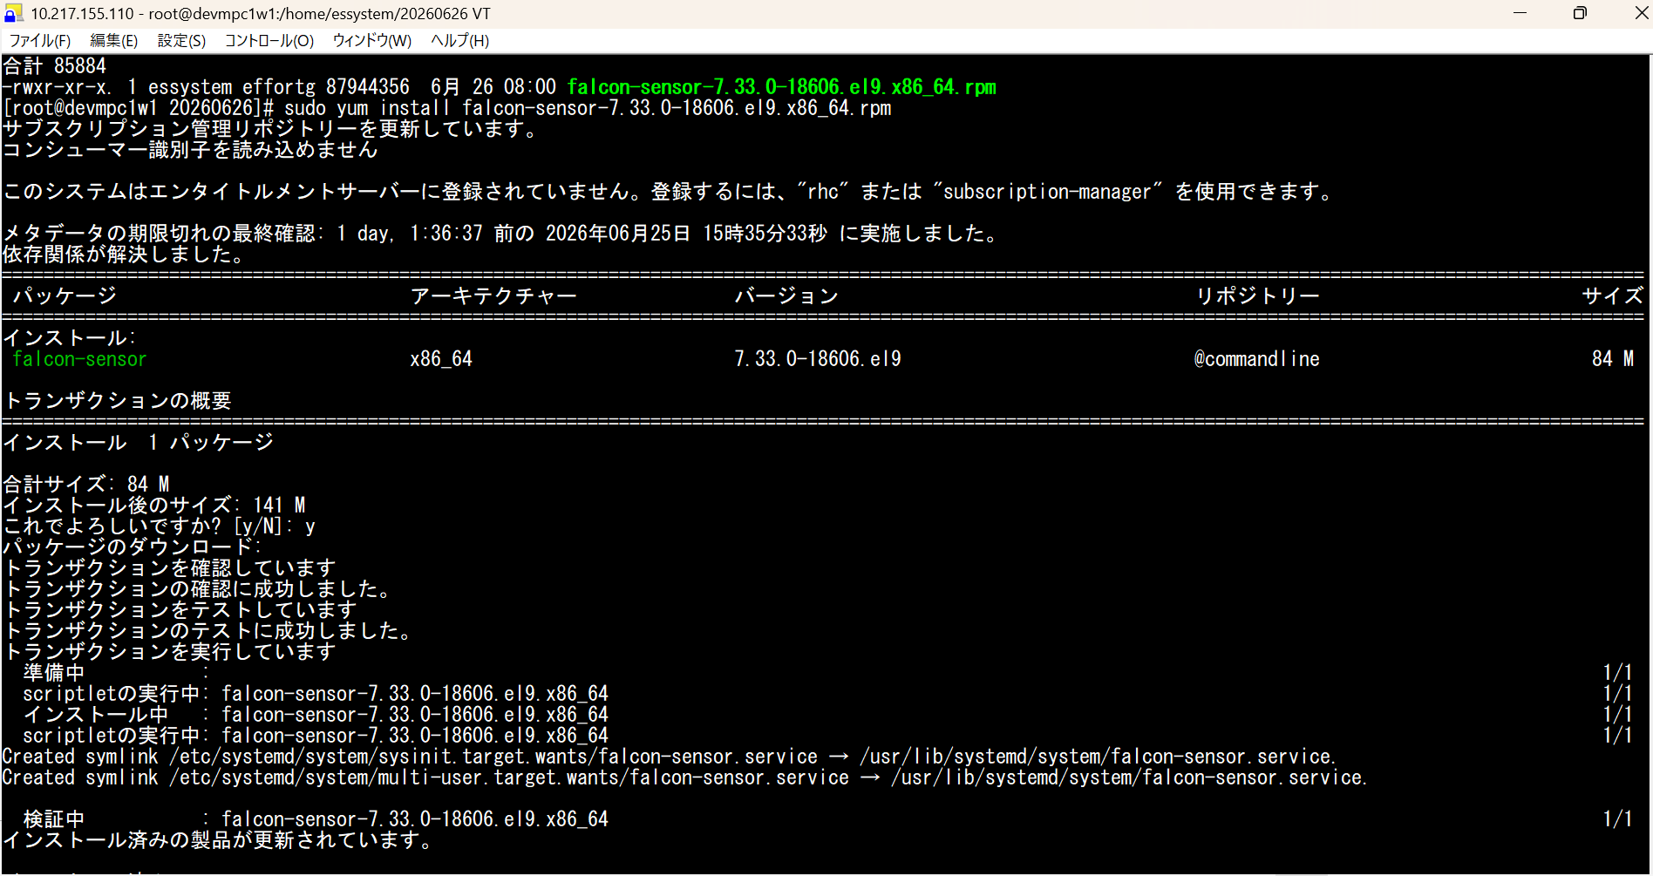

 | サブスクリプション管理リポジトリーを更新しています。
 | コンシューマー識別子を読み込めません

 | このシステムはエンタイトルメントサーバーに登録されていません。登録するには、"rhc" または "subscription-manager" を使用できます。

 | メタデータの期限切れの最終確認: 1 day, 1:36:37 前の 2026年06月25日 15時35分33秒 に実施しました。
 | 依存関係が解決しました。
 | =============================================================================================================================================================
 | パッケージ アーキテクチャー バージョン リポジトリー サイズ
 | =============================================================================================================================================================
 | インストール:
 | falcon-sensor x86_64 7.33.0-18606.el9 @commandline 84 M

 | トランザクションの概要
 | =============================================================================================================================================================
 | インストール 1 パッケージ

 | 合計サイズ: 84 M
 | インストール後のサイズ: 141 M
 | これでよろしいですか? [y/N]: y
 | パッケージのダウンロード:
 | トランザクションを確認しています
 | トランザクションの確認に成功しました。
 | トランザクションをテストしています
 | トランザクションのテストに成功しました。
 | トランザクションを実行しています
 | 準備中 : 1/1
 | scriptletの実行中: falcon-sensor-7.33.0-18606.el9.x86_64 1/1
 | インストール中 : falcon-sensor-7.33.0-18606.el9.x86_64 1/1
 | scriptletの実行中: falcon-sensor-7.33.0-18606.el9.x86_64 1/1
 | Created symlink /etc/systemd/system/sysinit.target.wants/falcon-sensor.service → /usr/lib/systemd/system/falcon-sensor.service.
 | Created symlink /etc/systemd/system/multi-user.target.wants/falcon-sensor.service → /usr/lib/systemd/system/falcon-sensor.service.

 | 検証中 : falcon-sensor-7.33.0-18606.el9.x86_64 1/1
 | インストール済みの製品が更新されています。

 | インストール済み:
 | falcon-sensor-7.33.0-18606.el9.x86_64

 | 完了しました!

 | Customer ID を設定します。

 | sudo /opt/CrowdStrike/falconctl -s --cid=c4011b5ffe9e436d91ec3fb5cceca202-A8

 | センサーを起動します

 | sudo service falcon-sensor start
 | sudo systemctl start falcon-sensor

 | Falconセンサーが動作していることを確認します

 | ps -e | grep falcon-sensor

 | クラウドと通信ができていることを確認します。

 | sudo ss -antup | grep falcon

Tanium Client
Taniumインストール手順

説明
 | ・Taniumインストール手順を示します。

■Taniumインストール手順

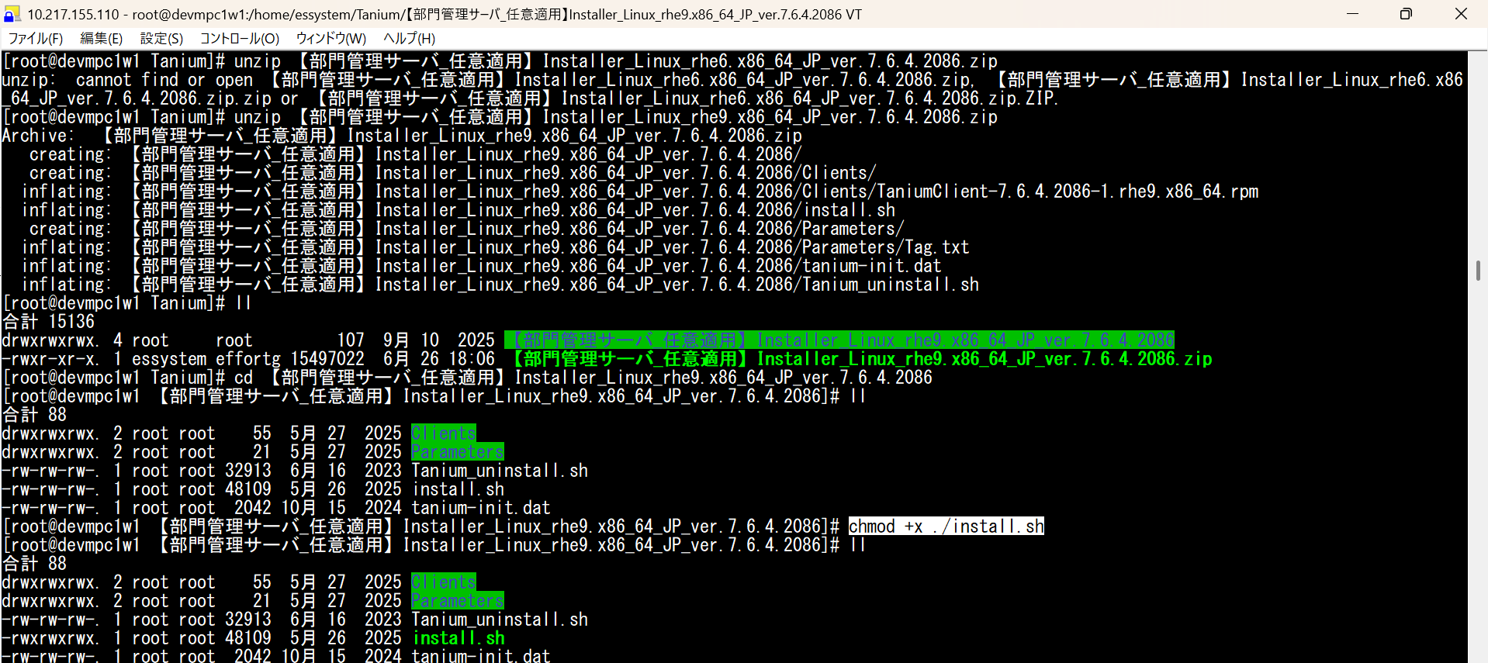
インストール
 | unzip 【部門管理サーバ_任意適用】Installer_Linux_rhe9.x86_64_JP_ver.7.6.4.2086.zip
 | cd 【部門管理サーバ_任意適用】Installer_Linux_rhe9.x86_64_JP_ver.7.6.4.2086
 | chmod +x ./install.sh


 | oot@qampc1w1 【部門管理サーバ_任意適用】Installer_Linux_rhe9.x86_64_JP_ver.7.6.4.2086]# ./install.sh
 | Checking for alma8-x64
 | Checking for alma9-x64
 | Checking for amazon1-x64
 | Checking for amazon2023-arm
 | Checking for amazon2023-x64
 | Checking for amazon2-arm
 | Checking for amazon2-x64
 | Checking for centos5-x64
 | Checking for centos5-x86
 | Checking for centos6-x64
 | Checking for centos6-x86
 | Checking for centos7-x64
 | Checking for centos8-x64
 | Checking for debian10-x64
 | Checking for debian11-x64
 | Checking for debian12-x64
 | Checking for debian12-arm64
 | Checking for debian8-x64
 | Checking for debian8-x86
 | Checking for debian9-x64
 | Checking for debian9-x86
 | Checking for opensuse12-x64
 | Checking for opensuse12-x86
 | Checking for opensuse15-x64
 | Checking for oracle5-x64
 | Checking for oracle5-x86
 | Checking for oracle6-x64
 | Checking for oracle6-x86
 | Checking for oracle7-x64
 | Checking for oracle8-x64
 | Checking for oracle8-arm64
 | Checking for oracle9-x64
 | Checking for oracle9-arm64
 | Checking for rhel5-x64
 | Checking for rhel5-x86
 | Checking for rhel6-x64
 | Checking for rhel6-x86
 | Checking for rhel7-x64
 | Checking for rhel8-x64
 | Checking for rhel8-arm64
 | Checking for rhel9-x64
 | 警告: ./Clients/TaniumClient-7.6.4.2086-1.rhe9.x86_64.rpm: ヘッダー V4 RSA/SHA256 Signature、鍵 ID a420246b: NOKEY
 | Created symlink /etc/systemd/system/multi-user.target.wants/taniumclient.service → /usr/lib/systemd/system/taniumclient.service.
 | TaniumClient service installed. Complete installation by:
 | 1. Set ServerName with '/opt/Tanium/TaniumClient/TaniumClient config set ServerName <name>'
 | 2. Set any desired optional settings (ServerPort, LogVerbosityLevel, etc) by running '/opt/Tanium/TaniumClient/TaniumClient config set <key> <value>'
 | 3. Copy tanium-init.dat into /opt/Tanium/TaniumClient
 | 4. Start the TaniumClient with 'systemctl start taniumclient.service'
 | Installation successful. Copying tanium-init.dat.
 | Set Params
 | Add tags
 | Starting service.
 | [root@qampc1w1 【部門管理サーバ_任意適用】Installer_Linux_rhe9.x86_64_JP_ver.7.6.4.2086]#

 | インストール後の確認
 | [root@qampc1w1 【部門管理サーバ_任意適用】Installer_Linux_rhe9.x86_64_JP_ver.7.6.4.2086]# /opt/Tanium/TaniumClient/TaniumClient --version
 | 7.6.4.2086
 | [root@qampc1w1 【部門管理サーバ_任意適用】Installer_Linux_rhe9.x86_64_JP_ver.7.6.4.2086]#

 | [root@qampc1w1 ~]# nc -z fujifilm-zsb1.cloud.tanium.com 17472 && echo 'Success' || echo 'Failure'
 | Success
 | [root@qampc1w1 ~]# nc -z fujifilm-zsb2.cloud.tanium.com 17472 && echo 'Success' || echo 'Failure'
 | Success
 | [root@qampc1w1 ~]# nc -z fujifilm-zsb1.cloud.tanium.com 17486 && echo 'Success' || echo 'Failure'
 | Success
 | [root@qampc1w1 ~]# nc -z fujifilm-zsb2.cloud.tanium.com 17486 && echo 'Success' || echo 'Failure'
 | Success
 | [root@qampc1w1 ~]#

Amazon Corretto21.0.6
Amazon Corretto21インストール手順

説明
 | ・Amazon Corretto21インストール手順を示します。

■Amazon Corretto21インストール手順

インストール
NEW_DEV
 |  | [root@qampc1w1 ~]# cd /home/ec2-user
 |  | [root@qampc1w1 ec2-user]# ls
 |  | java-21-amazon-corretto-devel-21.0.6.7-1.x86_64.rpm perl
 |  | [root@qampc1w1 ec2-user]# sudo rpm -ivh java-21-amazon-corretto-devel-21.0.6.7-1.x86_64.rpm
 |  | 警告: java-21-amazon-corretto-devel-21.0.6.7-1.x86_64.rpm: ヘッダー V3 RSA/SHA256 Signature、鍵 ID b04f24e3: NOKEY
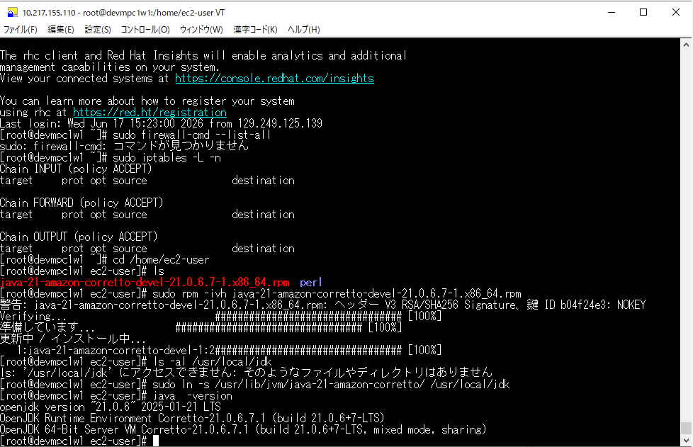
 |  | Verifying... ################################# [100%]
 |  | 準備しています... ################################# [100%]
 |  | 更新中 / インストール中...
 |  | 1:java-21-amazon-corretto-devel-1:2################################# [100%]

シンボリックリンク作成
 | [root@qampc1w1 ec2-user]# sudo ln -s /usr/lib/jvm/java-21-amazon-corretto/ /usr/local/jdk

インストール後の確認
 | [root@qampc1w1 ec2-user]# java -version
 | openjdk version "21.0.6" 2025-01-21 LTS
 | OpenJDK Runtime Environment Corretto-21.0.6.7.1 (build 21.0.6+7-LTS)
 | OpenJDK 64-Bit Server VM Corretto-21.0.6.7.1 (build 21.0.6+7-LTS, mixed mode, sharing)
 | [root@qampc1w1 ec2-user]#

 | [root@qampc1w1 ~]# ln -s /usr/bin/java /usr/local/bin/java
 | [root@qampc1w1 ~]# /usr/local/bin/java -version
 | openjdk version "21.0.6" 2025-01-21 LTS
 | OpenJDK Runtime Environment Corretto-21.0.6.7.1 (build 21.0.6+7-LTS)
 | OpenJDK 64-Bit Server VM Corretto-21.0.6.7.1 (build 21.0.6+7-LTS, mixed mode, sharing)
 | [root@qampc1w1 ~]#

Apache HTTP Server2.4.62
apacheインストール手順

説明
 | ・apacheインストール手順を示します。

■apacheインストール手順

インストール
NEW_DEV:
 | [root@qampc1w1 ec2-user]# sudo dnf install httpd
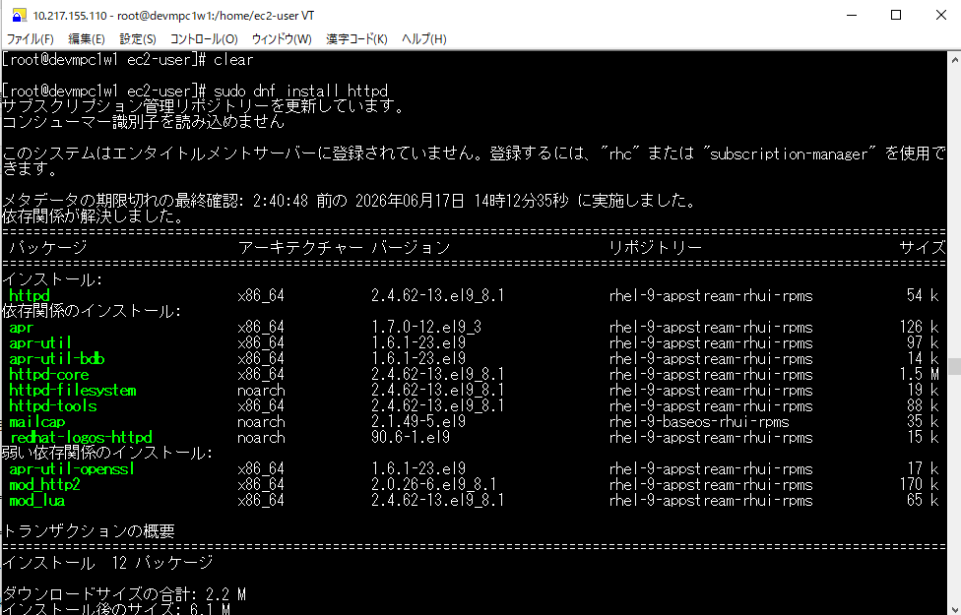
 | サブスクリプション管理リポジトリーを更新しています。
 | コンシューマー識別子を読み込めません

 | このシステムはエンタイトルメントサーバーに登録されていません。登録するには、"rhc" または "subscription-manager" を使用できます。

 | メタデータの期限切れの最終確認: 2:40:48 前の 2026年06月17日 14時12分35秒 に実施しました。
 | 依存関係が解決しました。
 | ========================================================================================================================
 | パッケージ アーキテクチャー バージョン リポジトリー サイズ
 | ========================================================================================================================
 | インストール:
 | httpd x86_64 2.4.62-13.el9_8.1 rhel-9-appstream-rhui-rpms 54 k
 | 依存関係のインストール:
 | apr x86_64 1.7.0-12.el9_3 rhel-9-appstream-rhui-rpms 126 k
 | apr-util x86_64 1.6.1-23.el9 rhel-9-appstream-rhui-rpms 97 k
 | apr-util-bdb x86_64 1.6.1-23.el9 rhel-9-appstream-rhui-rpms 14 k
 | httpd-core x86_64 2.4.62-13.el9_8.1 rhel-9-appstream-rhui-rpms 1.5 M
 | httpd-filesystem noarch 2.4.62-13.el9_8.1 rhel-9-appstream-rhui-rpms 19 k
 | httpd-tools x86_64 2.4.62-13.el9_8.1 rhel-9-appstream-rhui-rpms 88 k
 | mailcap noarch 2.1.49-5.el9 rhel-9-baseos-rhui-rpms 35 k
 | redhat-logos-httpd noarch 90.6-1.el9 rhel-9-appstream-rhui-rpms 15 k
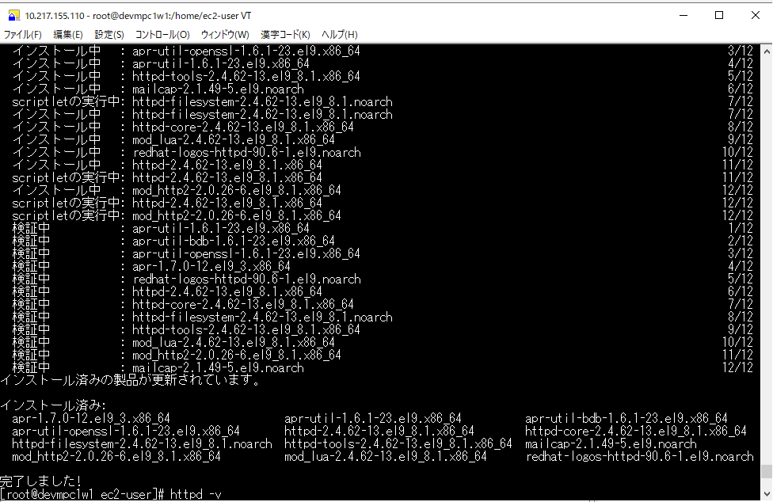
 | 弱い依存関係のインストール:
 | apr-util-openssl x86_64 1.6.1-23.el9 rhel-9-appstream-rhui-rpms 17 k
 | mod_http2 x86_64 2.0.26-6.el9_8.1 rhel-9-appstream-rhui-rpms 170 k
 | mod_lua x86_64 2.4.62-13.el9_8.1 rhel-9-appstream-rhui-rpms 65 k

 | トランザクションの概要
 | ========================================================================================================================
 | インストール 12 パッケージ

 | ダウンロードサイズの合計: 2.2 M
 | インストール後のサイズ: 6.1 M
 | これでよろしいですか? [y/N]: y
 | パッケージのダウンロード:
 | (1/12): apr-util-bdb-1.6.1-23.el9.x86_64.rpm 360 kB/s | 14 kB 00:00
 | (2/12): apr-util-openssl-1.6.1-23.el9.x86_64.rpm 397 kB/s | 17 kB 00:00
 | (3/12): apr-util-1.6.1-23.el9.x86_64.rpm 2.1 MB/s | 97 kB 00:00
 | (4/12): apr-1.7.0-12.el9_3.x86_64.rpm 11 MB/s | 126 kB 00:00
 | (5/12): redhat-logos-httpd-90.6-1.el9.noarch.rpm 1.3 MB/s | 15 kB 00:00
 | (6/12): httpd-2.4.62-13.el9_8.1.x86_64.rpm 4.7 MB/s | 54 kB 00:00
 | (7/12): httpd-filesystem-2.4.62-13.el9_8.1.noarch.rpm 1.6 MB/s | 19 kB 00:00
 | (8/12): httpd-tools-2.4.62-13.el9_8.1.x86_64.rpm 7.1 MB/s | 88 kB 00:00
 | (9/12): httpd-core-2.4.62-13.el9_8.1.x86_64.rpm 54 MB/s | 1.5 MB 00:00
 | (10/12): mod_http2-2.0.26-6.el9_8.1.x86_64.rpm 11 MB/s | 170 kB 00:00
 | (11/12): mod_lua-2.4.62-13.el9_8.1.x86_64.rpm 3.0 MB/s | 65 kB 00:00
 | (12/12): mailcap-2.1.49-5.el9.noarch.rpm 3.6 MB/s | 35 kB 00:00
 | ------------------------------------------------------------------------------------------------------------------------
 | 合計 17 MB/s | 2.2 MB 00:00
 | トランザクションを確認しています
 | トランザクションの確認に成功しました。
 | トランザクションをテストしています
 | トランザクションのテストに成功しました。
 | トランザクションを実行しています
 | 準備中 : 1/1
 | インストール中 : apr-1.7.0-12.el9_3.x86_64 1/12
 | インストール中 : apr-util-bdb-1.6.1-23.el9.x86_64 2/12
 | インストール中 : apr-util-openssl-1.6.1-23.el9.x86_64 3/12
 | インストール中 : apr-util-1.6.1-23.el9.x86_64 4/12
 | インストール中 : httpd-tools-2.4.62-13.el9_8.1.x86_64 5/12
 | インストール中 : mailcap-2.1.49-5.el9.noarch 6/12
 | scriptletの実行中: httpd-filesystem-2.4.62-13.el9_8.1.noarch 7/12
 | インストール中 : httpd-filesystem-2.4.62-13.el9_8.1.noarch 7/12
 | インストール中 : httpd-core-2.4.62-13.el9_8.1.x86_64 8/12
 | インストール中 : mod_lua-2.4.62-13.el9_8.1.x86_64 9/12
 | インストール中 : redhat-logos-httpd-90.6-1.el9.noarch 10/12
 | インストール中 : httpd-2.4.62-13.el9_8.1.x86_64 11/12
 | scriptletの実行中: httpd-2.4.62-13.el9_8.1.x86_64 11/12
 | インストール中 : mod_http2-2.0.26-6.el9_8.1.x86_64 12/12
 | scriptletの実行中: httpd-2.4.62-13.el9_8.1.x86_64 12/12
 | scriptletの実行中: mod_http2-2.0.26-6.el9_8.1.x86_64 12/12
 | 検証中 : apr-util-1.6.1-23.el9.x86_64 1/12
 | 検証中 : apr-util-bdb-1.6.1-23.el9.x86_64 2/12
 | 検証中 : apr-util-openssl-1.6.1-23.el9.x86_64 3/12
 | 検証中 : apr-1.7.0-12.el9_3.x86_64 4/12
 | 検証中 : redhat-logos-httpd-90.6-1.el9.noarch 5/12
 | 検証中 : httpd-2.4.62-13.el9_8.1.x86_64 6/12
 | 検証中 : httpd-core-2.4.62-13.el9_8.1.x86_64 7/12
 | 検証中 : httpd-filesystem-2.4.62-13.el9_8.1.noarch 8/12
 | 検証中 : httpd-tools-2.4.62-13.el9_8.1.x86_64 9/12
 | 検証中 : mod_lua-2.4.62-13.el9_8.1.x86_64 10/12
 | 検証中 : mod_http2-2.0.26-6.el9_8.1.x86_64 11/12
 | 検証中 : mailcap-2.1.49-5.el9.noarch 12/12
 | インストール済みの製品が更新されています。

 | インストール済み:
 | apr-1.7.0-12.el9_3.x86_64 apr-util-1.6.1-23.el9.x86_64 apr-util-bdb-1.6.1-23.el9.x86_64
 | apr-util-openssl-1.6.1-23.el9.x86_64 httpd-2.4.62-13.el9_8.1.x86_64 httpd-core-2.4.62-13.el9_8.1.x86_64
 | httpd-filesystem-2.4.62-13.el9_8.1.noarch httpd-tools-2.4.62-13.el9_8.1.x86_64 mailcap-2.1.49-5.el9.noarch
 | mod_http2-2.0.26-6.el9_8.1.x86_64 mod_lua-2.4.62-13.el9_8.1.x86_64 redhat-logos-httpd-90.6-1.el9.noarch

 | 完了しました!
 | [root@qampc1w1 ec2-user]#
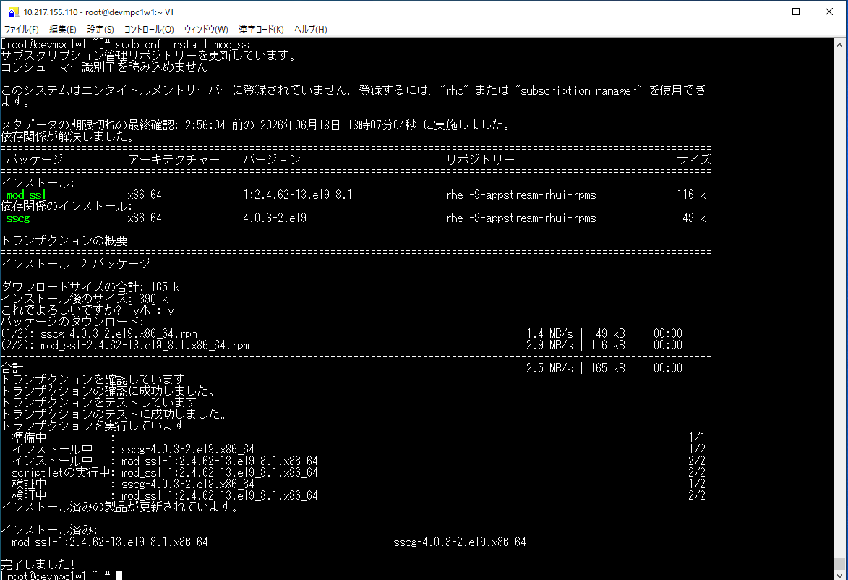
 | [root@qampc1w1 ~]# sudo dnf install mod_ssl
 | サブスクリプション管理リポジトリーを更新しています。
 | コンシューマー識別子を読み込めません

 | このシステムはエンタイトルメントサーバーに登録されていません。登録するには、"rhc" または "subscription-manager" を使用でき ます。

 | メタデータの期限切れの最終確認: 2:56:04 前の 2026年06月18日 13時07分04秒 に実施しました。
 | 依存関係が解決しました。
 | ===========================================================================================================================
 | パッケージ アーキテクチャー バージョン リポジトリー サイズ
 | ===========================================================================================================================
 | インストール:
 | mod_ssl x86_64 1:2.4.62-13.el9_8.1 rhel-9-appstream-rhui-rpms 116 k
 | 依存関係のインストール:
 | sscg x86_64 4.0.3-2.el9 rhel-9-appstream-rhui-rpms 49 k

 | トランザクションの概要
 | ===========================================================================================================================
 | インストール 2 パッケージ

 | ダウンロードサイズの合計: 165 k
 | インストール後のサイズ: 390 k
 | これでよろしいですか? [y/N]: y
 | パッケージのダウンロード:
 | (1/2): sscg-4.0.3-2.el9.x86_64.rpm 1.4 MB/s | 49 kB 00:00
 | (2/2): mod_ssl-2.4.62-13.el9_8.1.x86_64.rpm 2.9 MB/s | 116 kB 00:00
 | ---------------------------------------------------------------------------------------------------------------------------
 | 合計 2.5 MB/s | 165 kB 00:00
 | トランザクションを確認しています
 | トランザクションの確認に成功しました。
 | トランザクションをテストしています
 | トランザクションのテストに成功しました。
 | トランザクションを実行しています
 | 準備中 : 1/1
 | インストール中 : sscg-4.0.3-2.el9.x86_64 1/2
 | インストール中 : mod_ssl-1:2.4.62-13.el9_8.1.x86_64 2/2
 | scriptletの実行中: mod_ssl-1:2.4.62-13.el9_8.1.x86_64 2/2
 | 検証中 : sscg-4.0.3-2.el9.x86_64 1/2
 | 検証中 : mod_ssl-1:2.4.62-13.el9_8.1.x86_64 2/2
 | インストール済みの製品が更新されています。

 | インストール済み:
 | mod_ssl-1:2.4.62-13.el9_8.1.x86_64 sscg-4.0.3-2.el9.x86_64

 | 完了しました!
 | [root@qampc1w1 ~]#

インストール後設定
 | sudo mkdir -p /usr/local/apache/bin
 | sudo mkdir -p /usr/local/apache/logs
 | sudo ln -s /usr/sbin/apachectl /usr/local/apache/bin/apachectl

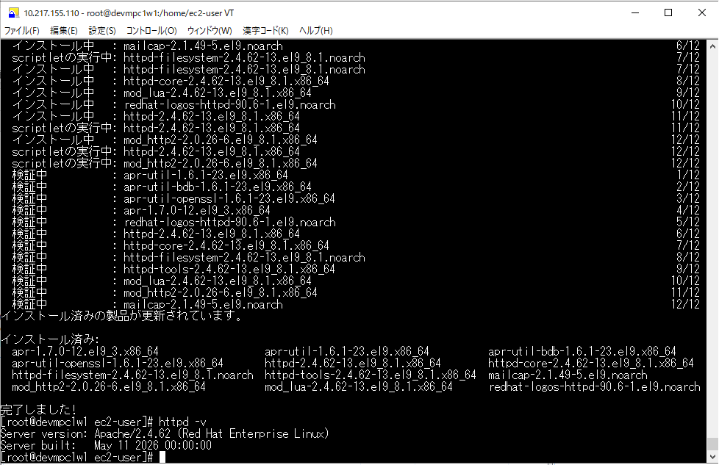
インストール後の確認
 | [root@qampc1w1 ec2-user]# httpd -v
 | Server version: Apache/2.4.62 (Red Hat Enterprise Linux)
 | Server built: May 11 2026 00:00:00
 | [root@qampc1w1 ec2-user]#

openssl3.3.2.3
openssl 3.3.2インストール手順

説明
 | ・openssl 3.3.2インストール手順を示します。

■openssl 3.3.2インストール手順

インストールファイルの展開
NEW_DEV
 | Apache をインストールすると、自動的に OpenSSL 3.2.2 がデフォルトでインストールされます。

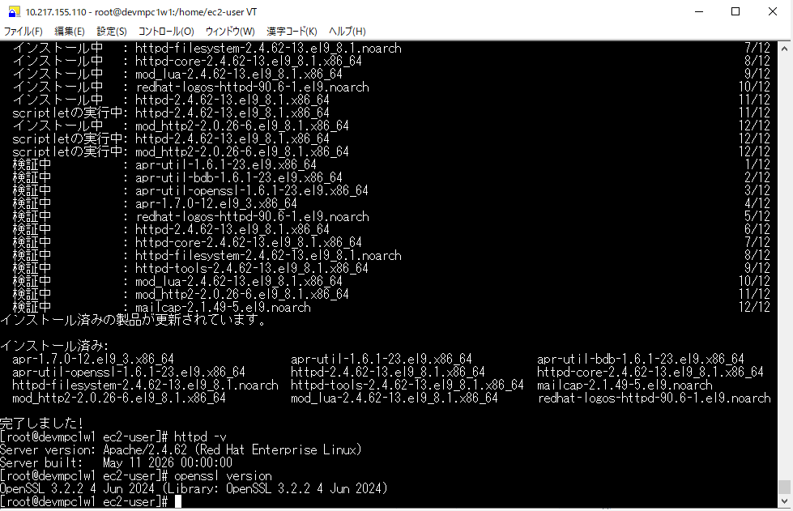
インストール後の確認
 | [root@qampc1w1 ec2-user]# openssl version
 | OpenSSL 3.2.2 4 Jun 2024 (Library: OpenSSL 3.2.2 4 Jun 2024)
 | [root@qampc1w1 ec2-user]#

Apache-Tomcat9.0.100
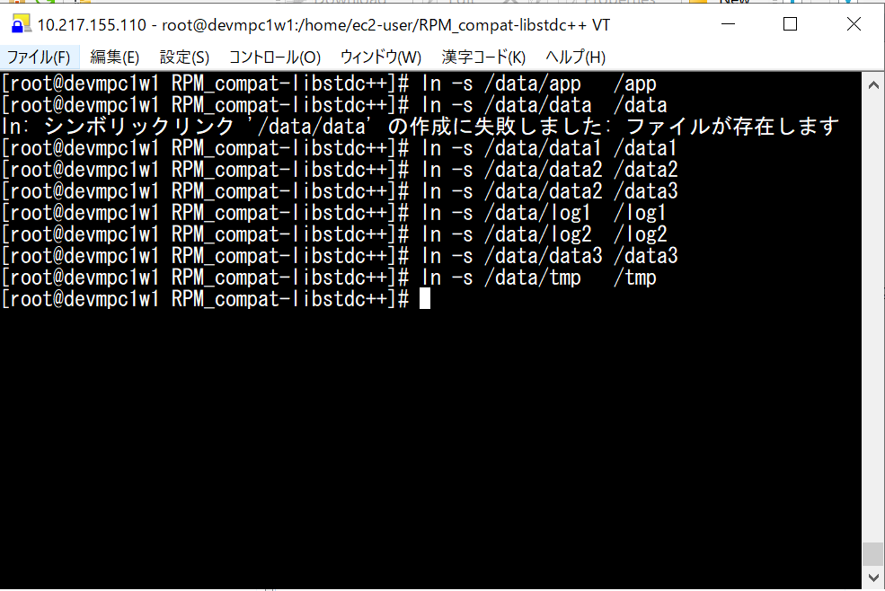
tomcatインストール手順

説明
 | ・tomcatインストール手順を示します。

■tomcatインストール手順

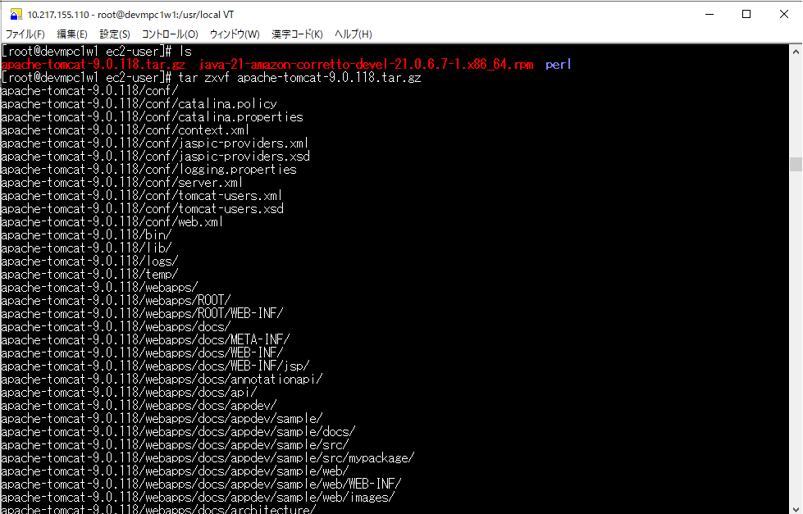
インストールファイルの展開
NEW_DEV:
 | [root@qampc1w1 ec2-user]# ls
 | apache-tomcat-9.0.118.tar.gz java-21-amazon-corretto-devel-21.0.6.7-1.x86_64.rpm perl
 | [root@qampc1w1 ec2-user]# tar zxvf apache-tomcat-9.0.118.tar.gz
 | apache-tomcat-9.0.118/conf/
 | apache-tomcat-9.0.118/conf/catalina.policy
 | apache-tomcat-9.0.118/conf/catalina.properties
 | apache-tomcat-9.0.118/conf/context.xml
 | apache-tomcat-9.0.118/conf/jaspic-providers.xml
 | apache-tomcat-9.0.118/conf/jaspic-providers.xsd
 | apache-tomcat-9.0.118/conf/logging.properties
 | apache-tomcat-9.0.118/conf/server.xml
 | apache-tomcat-9.0.118/conf/tomcat-users.xml
 | apache-tomcat-9.0.118/conf/tomcat-users.xsd
 | apache-tomcat-9.0.118/conf/web.xml
 | apache-tomcat-9.0.118/bin/
 | apache-tomcat-9.0.118/lib/
 | apache-tomcat-9.0.118/logs/
 | apache-tomcat-9.0.118/temp/
 | apache-tomcat-9.0.118/webapps/
 | apache-tomcat-9.0.118/webapps/ROOT/
 | ....................
 | apache-tomcat-9.0.118/webapps/manager/WEB-INF/web.xml
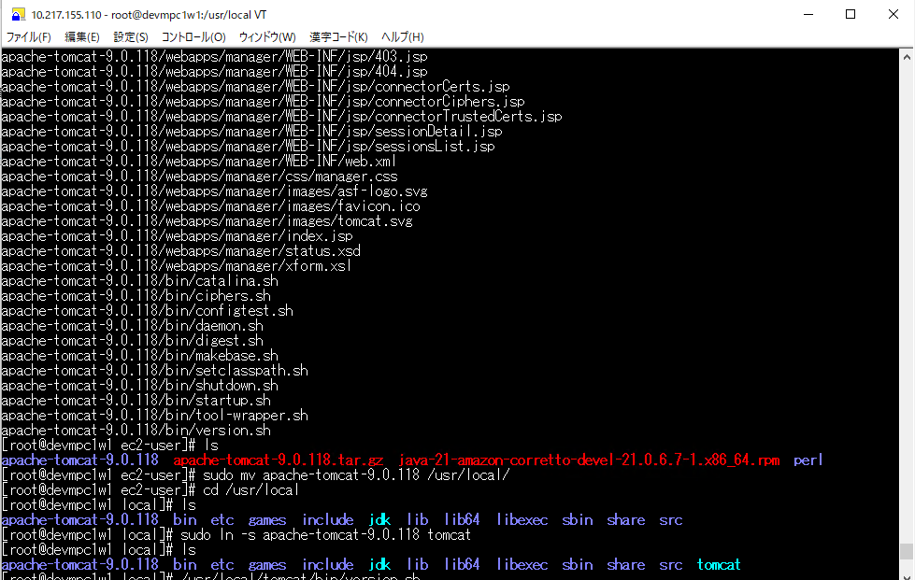
 | apache-tomcat-9.0.118/webapps/manager/css/manager.css
 | apache-tomcat-9.0.118/webapps/manager/images/asf-logo.svg
 | apache-tomcat-9.0.118/webapps/manager/images/favicon.ico
 | apache-tomcat-9.0.118/webapps/manager/images/tomcat.svg
 | apache-tomcat-9.0.118/webapps/manager/index.jsp
 | apache-tomcat-9.0.118/webapps/manager/status.xsd
 | apache-tomcat-9.0.118/webapps/manager/xform.xsl
 | apache-tomcat-9.0.118/bin/catalina.sh
 | apache-tomcat-9.0.118/bin/ciphers.sh
 | apache-tomcat-9.0.118/bin/configtest.sh
 | apache-tomcat-9.0.118/bin/daemon.sh
 | apache-tomcat-9.0.118/bin/digest.sh
 | apache-tomcat-9.0.118/bin/makebase.sh
 | apache-tomcat-9.0.118/bin/setclasspath.sh
 | apache-tomcat-9.0.118/bin/shutdown.sh
 | apache-tomcat-9.0.118/bin/startup.sh
 | apache-tomcat-9.0.118/bin/tool-wrapper.sh
 | apache-tomcat-9.0.118/bin/version.sh
 | [root@qampc1w1 ec2-user]# ls
 | apache-tomcat-9.0.118 apache-tomcat-9.0.118.tar.gz java-21-amazon-corretto-devel-21.0.6.7-1.x86_64.rpm perl
 | [root@qampc1w1 ec2-user]# sudo mv apache-tomcat-9.0.118 /usr/local/
 | [root@qampc1w1 ec2-user]# cd /usr/local
 | [root@qampc1w1 local]# ls
 | apache-tomcat-9.0.118 bin etc games include jdk lib lib64 libexec sbin share src
 | [root@qampc1w1 local]# sudo ln -s apache-tomcat-9.0.118 tomcat
 | [root@qampc1w1 local]# ls
 | apache-tomcat-9.0.118 bin etc games include jdk lib lib64 libexec sbin share src tomcat
 | [root@qampc1w1 local]#

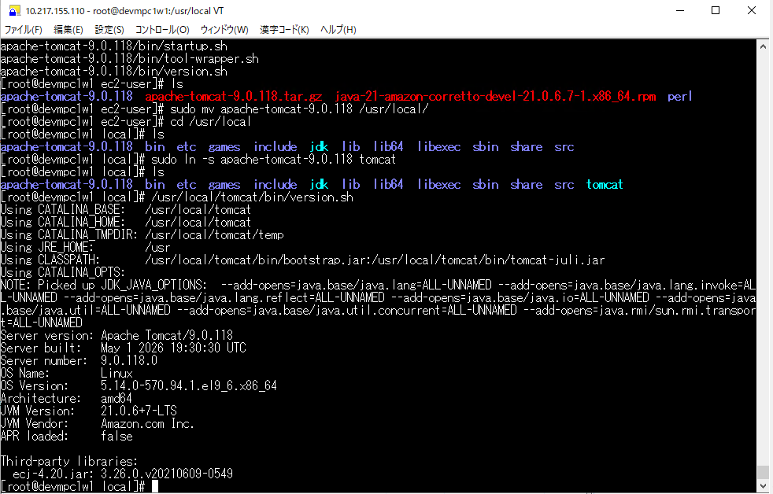
インストール後の確認
 |  | [root@qampc1w1 local]# /usr/local/tomcat/bin/version.sh
 |  | Using CATALINA_BASE: /usr/local/tomcat
 |  | Using CATALINA_HOME: /usr/local/tomcat
 |  | Using CATALINA_TMPDIR: /usr/local/tomcat/temp
 |  | Using JRE_HOME: /usr
 |  | Using CLASSPATH: /usr/local/tomcat/bin/bootstrap.jar:/usr/local/tomcat/bin/tomcat-juli.jar
 |  | Using CATALINA_OPTS:
 |  | NOTE: Picked up JDK_JAVA_OPTIONS: --add-opens=java.base/java.lang=ALL-UNNAMED --add-opens=java.base/java.lang.invoke=ALL-UNNAMED --add-opens=java.base/java.lang.reflect=ALL-UNNAMED --add-opens=java.base/java.io=ALL-UNNAMED --add-opens=java.base/java.util=ALL-UNNAMED --add-opens=java.base/java.util.concurrent=ALL-UNNAMED --add-opens=java.rmi/sun.rmi.transport=ALL-UNNAMED
 |  | Server version: Apache Tomcat/9.0.118
 |  | Server built: May 1 2026 19:30:30 UTC
 |  | Server number: 9.0.118.0
 |  | OS Name: Linux
 |  | OS Version: 5.14.0-570.94.1.el9_6.x86_64
 |  | Architecture: amd64
 |  | JVM Version: 21.0.6+7-LTS
 |  | JVM Vendor: Amazon.com Inc.
 |  | APR loaded: false

 |  | Third-party libraries:
 |  | ecj-4.20.jar: 3.26.0.v20210609-0549
 |  | [root@qampc1w1 local]#

 |  | [root@qampc1w1 ~]# sudo chown -R essystem:effortg /usr/local/apache-tomcat-9.0.118

vsftpd3.0.5
ftp設定手順

説明
 | ・ftp設定手順を示します。

■ftp設定手順

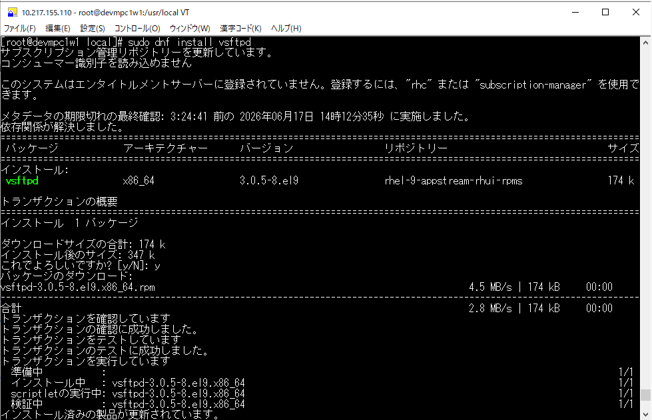
NEW_DEV
 | [root@qampc1w1 local]# sudo dnf install vsftpd
 | サブスクリプション管理リポジトリーを更新しています。
 | コンシューマー識別子を読み込めません

 | このシステムはエンタイトルメントサーバーに登録されていません。登録するには、"rhc" または "subscription-manager" を使用できます。

 | メタデータの期限切れの最終確認: 3:24:41 前の 2026年06月17日 14時12分35秒 に実施しました。
 | 依存関係が解決しました。
 | ========================================================================================================================
 | パッケージ アーキテクチャー バージョン リポジトリー サイズ
 | ========================================================================================================================
 | インストール:
 | vsftpd x86_64 3.0.5-8.el9 rhel-9-appstream-rhui-rpms 174 k

 | トランザクションの概要
 | ========================================================================================================================
 | インストール 1 パッケージ

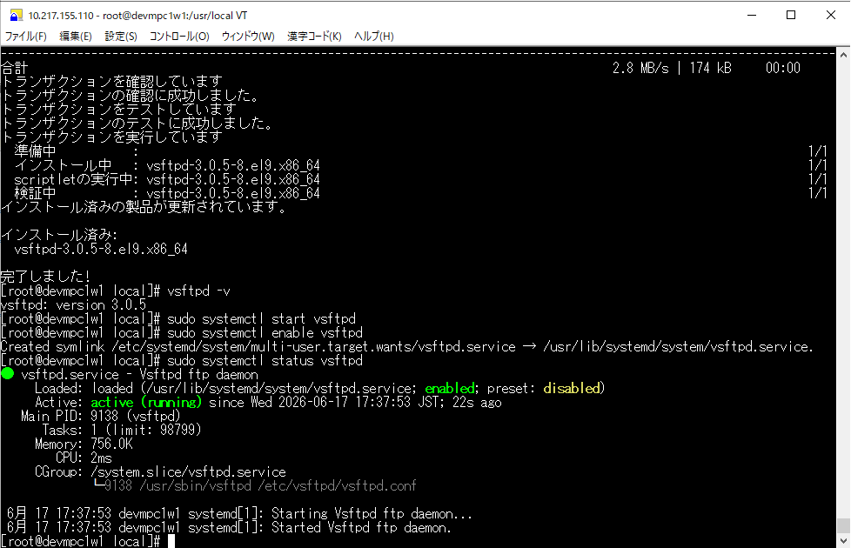
 | ダウンロードサイズの合計: 174 k
 | インストール後のサイズ: 347 k
 | これでよろしいですか? [y/N]: y
 | パッケージのダウンロード:
 | vsftpd-3.0.5-8.el9.x86_64.rpm 4.5 MB/s | 174 kB 00:00
 | ------------------------------------------------------------------------------------------------------------------------
 | 合計 2.8 MB/s | 174 kB 00:00
 | トランザクションを確認しています
 | トランザクションの確認に成功しました。
 | トランザクションをテストしています
 | トランザクションのテストに成功しました。
 | トランザクションを実行しています
 | 準備中 : 1/1
 | インストール中 : vsftpd-3.0.5-8.el9.x86_64 1/1
 | scriptletの実行中: vsftpd-3.0.5-8.el9.x86_64 1/1
 | 検証中 : vsftpd-3.0.5-8.el9.x86_64 1/1
 | インストール済みの製品が更新されています。

 | インストール済み:
 | vsftpd-3.0.5-8.el9.x86_64

 | 完了しました!
 | [root@qampc1w1 local]# vsftpd -v
 | vsftpd: version 3.0.5
 | [root@qampc1w1 local]# sudo systemctl start vsftpd
 | [root@qampc1w1 local]# sudo systemctl enable vsftpd
 | Created symlink /etc/systemd/system/multi-user.target.wants/vsftpd.service → /usr/lib/systemd/system/vsftpd.service.
 | [root@qampc1w1 local]# sudo systemctl status vsftpd
 | ● vsftpd.service - Vsftpd ftp daemon
 | Loaded: loaded (/usr/lib/systemd/system/vsftpd.service; enabled; preset: disabled)
 | Active: active (running) since Wed 2026-06-17 17:37:53 JST; 22s ago
 | Main PID: 9138 (vsftpd)
 | Tasks: 1 (limit: 98799)
 | Memory: 756.0K
 | CPU: 2ms
 | CGroup: /system.slice/vsftpd.service
 | mq9138 /usr/sbin/vsftpd /etc/vsftpd/vsftpd.conf

 | 6月 17 17:37:53 qampc1w1 systemd[1]: Starting Vsftpd ftp daemon...
 | 6月 17 17:37:53 qampc1w1 systemd[1]: Started Vsftpd ftp daemon.
 | [root@qampc1w1 local]#

 | [root@qampc1w1 ~]# cat /etc/vsftpd/vsftpd.conf
 | # Example config file /etc/vsftpd/vsftpd.conf
 | #
 | # The default compiled in settings are fairly paranoid. This sample file
 | # loosens things up a bit, to make the ftp daemon more usable.
 | # Please see vsftpd.conf.5 for all compiled in defaults.
 | #
 | # READ THIS: This example file is NOT an exhaustive list of vsftpd options.
 | # Please read the vsftpd.conf.5 manual page to get a full idea of vsftpd's
 | # capabilities.
 | #
 | # Allow anonymous FTP? (Beware - allowed by default if you comment this out).
 | anonymous_enable=NO
 | #
 | # Uncomment this to allow local users to log in.
 | local_enable=YES
 | #
 | # Uncomment this to enable any form of FTP write command.
 | write_enable=YES
 | #
 | # Default umask for local users is 077. You may wish to change this to 022,
 | # if your users expect that (022 is used by most other ftpd's)
 | local_umask=022
 | #
 | # Uncomment this to allow the anonymous FTP user to upload files. This only
 | # has an effect if the above global write enable is activated. Also, you will
 | # obviously need to create a directory writable by the FTP user.
 | # When SELinux is enforcing check for SE bool allow_ftpd_anon_write, allow_ftpd_full_access
 | #anon_upload_enable=YES
 | #
 | # Uncomment this if you want the anonymous FTP user to be able to create
 | # new directories.
 | #anon_mkdir_write_enable=YES
 | #
 | # Activate directory messages - messages given to remote users when they
 | # go into a certain directory.
 | dirmessage_enable=YES
 | #
 | # Activate logging of uploads/downloads.
 | xferlog_enable=YES
 | #
 | # Make sure PORT transfer connections originate from port 20 (ftp-data).
 | connect_from_port_20=YES
 | #
 | # If you want, you can arrange for uploaded anonymous files to be owned by
 | # a different user. Note! Using "root" for uploaded files is not
 | # recommended!
 | #chown_uploads=YES
 | #chown_username=whoever
 | #
 | # You may override where the log file goes if you like. The default is shown
 | # below.
 | #xferlog_file=/var/log/xferlog
 | #
 | # If you want, you can have your log file in standard ftpd xferlog format.
 | # Note that the default log file location is /var/log/xferlog in this case.
 | xferlog_std_format=YES
 | #
 | # You may change the default value for timing out an idle session.
 | #idle_session_timeout=600
 | #
 | # You may change the default value for timing out a data connection.
 | #data_connection_timeout=120
 | #
 | # It is recommended that you define on your system a unique user which the
 | # ftp server can use as a totally isolated and unprivileged user.
 | #nopriv_user=ftpsecure
 | #
 | # Enable this and the server will recognise asynchronous ABOR requests. Not
 | # recommended for security (the code is non-trivial). Not enabling it,
 | # however, may confuse older FTP clients.
 | #async_abor_enable=YES
 | #
 | # By default the server will pretend to allow ASCII mode but in fact ignore
 | # the request. Turn on the below options to have the server actually do ASCII
 | # mangling on files when in ASCII mode. The vsftpd.conf(5) man page explains
 | # the behaviour when these options are disabled.
 | # Beware that on some FTP servers, ASCII support allows a denial of service
 | # attack (DoS) via the command "SIZE /big/file" in ASCII mode. vsftpd
 | # predicted this attack and has always been safe, reporting the size of the
 | # raw file.
 | # ASCII mangling is a horrible feature of the protocol.
 | #ascii_upload_enable=YES
 | #ascii_download_enable=YES
 | #
 | # You may fully customise the login banner string:
 | #ftpd_banner=Welcome to blah FTP service.
 | #
 | # You may specify a file of disallowed anonymous e-mail addresses. Apparently
 | # useful for combatting certain DoS attacks.
 | #deny_email_enable=YES
 | # (default follows)
 | #banned_email_file=/etc/vsftpd/banned_emails
 | #
 | # You may specify an explicit list of local users to chroot() to their home
 | # directory. If chroot_local_user is YES, then this list becomes a list of
 | # users to NOT chroot().
 | # (Warning! chroot'ing can be very dangerous. If using chroot, make sure that
 | # the user does not have write access to the top level directory within the
 | # chroot)
 | #chroot_local_user=YES
 | #chroot_list_enable=YES
 | # (default follows)
 | #chroot_list_file=/etc/vsftpd/chroot_list
 | #
 | # You may activate the "-R" option to the builtin ls. This is disabled by
 | # default to avoid remote users being able to cause excessive I/O on large
 | # sites. However, some broken FTP clients such as "ncftp" and "mirror" assume
 | # the presence of the "-R" option, so there is a strong case for enabling it.
 | #ls_recurse_enable=YES
 | #
 | # When "listen" directive is enabled, vsftpd runs in standalone mode and
 | # listens on IPv4 sockets. This directive cannot be used in conjunction
 | # with the listen_ipv6 directive.
 | listen=NO
 | #
 | # This directive enables listening on IPv6 sockets. By default, listening
 | # on the IPv6 "any" address (::) will accept connections from both IPv6
 | # and IPv4 clients. It is not necessary to listen on *both* IPv4 and IPv6
 | # sockets. If you want that (perhaps because you want to listen on specific
 | # addresses) then you must run two copies of vsftpd with two configuration
 | # files.
 | # Make sure, that one of the listen options is commented !!
 | listen_ipv6=YES

 | pam_service_name=vsftpd
 | userlist_enable=YES
 | [root@qampc1w1 ~]#

Perl5.32.1
perlインストール手順

説明
 | ・perlインストール手順を示します。

■perlインストール手順

１．インストールファイルの展開
perl perl-DBI
 | [root@qampc1w1 ~]# dnf info perl perl-DBI
 | サブスクリプション管理リポジトリーを更新しています。
 | コンシューマー識別子を読み込めません
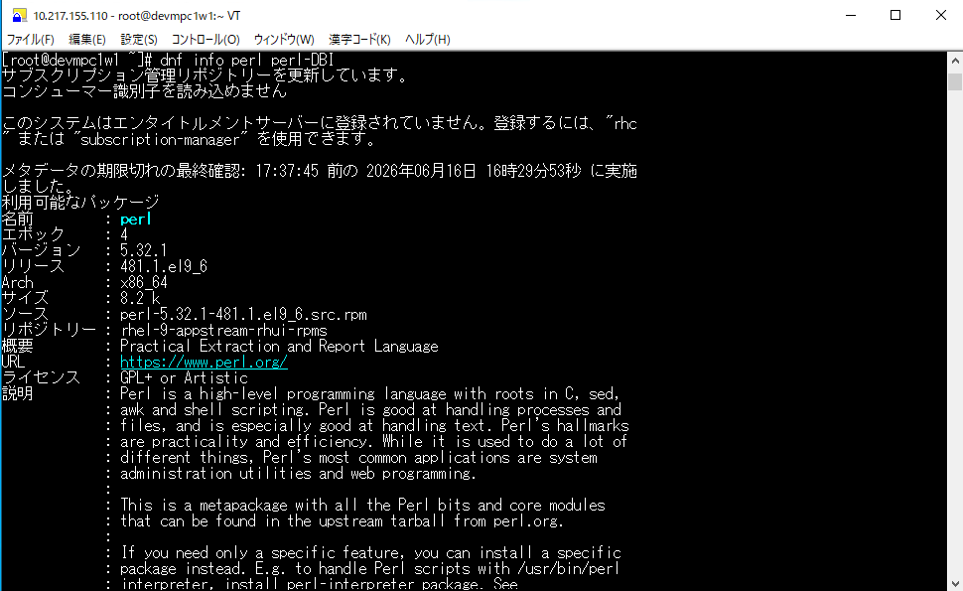
 | このシステムはエンタイトルメントサーバーに登録されていません。登録するには、"rhc " または "subscription-manager" を使用できます。

 | メタデータの期限切れの最終確認: 17:37:45 前の 2026年06月16日 16時29分53秒 に実施 しました。
 | 利用可能なパッケージ
 | 名前 : perl
 | エポック : 4
 | バージョン : 5.32.1
 | リリース : 481.1.el9_6
 | Arch : x86_64
 | サイズ : 8.2 k
 | ソース : perl-5.32.1-481.1.el9_6.src.rpm
 | リポジトリー : rhel-9-appstream-rhui-rpms
 | 概要 : Practical Extraction and Report Language
 | URL : https://www.perl.org/
 | ライセンス : GPL+ or Artistic
 | 説明 : Perl is a high-level programming language with roots in C, sed,
 | : awk and shell scripting. Perl is good at handling processes and
 | : files, and is especially good at handling text. Perl's hallmarks
 | : are practicality and efficiency. While it is used to do a lot of
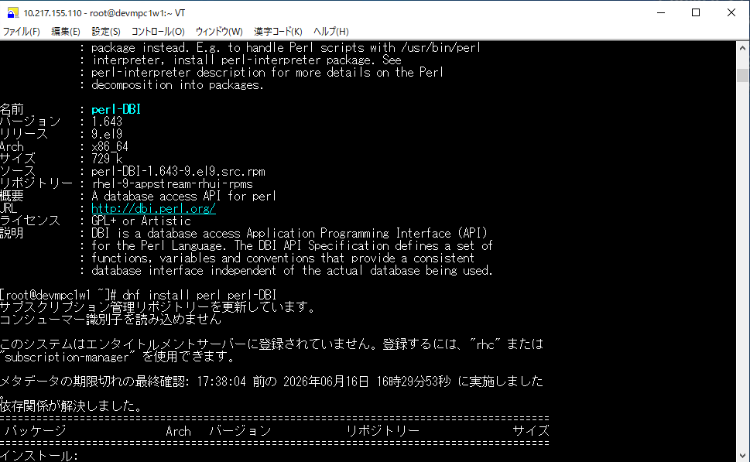
 | : different things, Perl's most common applications are system
 | : administration utilities and web programming.
 | -416.6666666667
 | : This is a metapackage with all the Perl bits and core modules
 | : that can be found in the upstream tarball from perl.org.
 | -416.6666666667
 | : If you need only a specific feature, you can install a specific
 | : package instead. E.g. to handle Perl scripts with /usr/bin/perl
 | : interpreter, install perl-interpreter package. See
 | : perl-interpreter description for more details on the Perl
 | : decomposition into packages.

 | 名前 : perl-DBI
 | バージョン : 1.643
 | リリース : 9.el9
 | Arch : x86_64
 | サイズ : 729 k
 | ソース : perl-DBI-1.643-9.el9.src.rpm
 | リポジトリー : rhel-9-appstream-rhui-rpms
 | 概要 : A database access API for perl
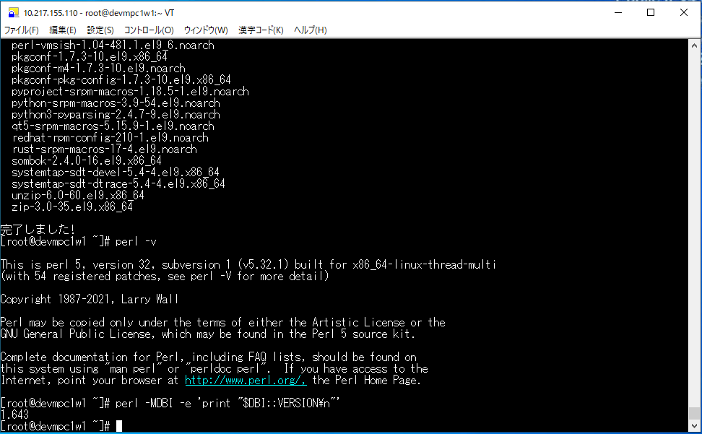
 | URL : http://dbi.perl.org/
 | ライセンス : GPL+ or Artistic
 | 説明 : DBI is a database access Application Programming Interface (API)
 | : for the Perl Language. The DBI API Specification defines a set of
 | : functions, variables and conventions that provide a consistent
 | : database interface independent of the actual database being used.

 | [root@qampc1w1 ~]# dnf install perl perl-DBI
 | サブスクリプション管理リポジトリーを更新しています。
 | コンシューマー識別子を読み込めません

 | このシステムはエンタイトルメントサーバーに登録されていません。登録するには、"rhc" または "subscription-manager" を使用できます。

 | メタデータの期限切れの最終確認: 17:38:04 前の 2026年06月16日 16時29分53秒 に実施しました 。
 | 依存関係が解決しました。
 | =========================================================================================
 | パッケージ Arch バージョン リポジトリー サイズ
 | =========================================================================================
 | インストール:
 | perl x86_64 4:5.32.1-481.1.el9_6 rhel-9-appstream-rhui-rpms 8.2 k
 | perl-DBI x86_64 1.643-9.el9 rhel-9-appstream-rhui-rpms 729 k
 | 依存関係のインストール:
 | annobin x86_64 12.98-2.el9 rhel-9-appstream-rhui-rpms 1.1 M
 | cpp x86_64 11.5.0-5.el9 rhel-9-appstream-rhui-rpms 11 M
 | dwz x86_64 0.16-1.el9 rhel-9-appstream-rhui-rpms 134 k
 | efi-srpm-macros noarch 6-4.el9 rhel-9-appstream-rhui-rpms 21 k
 | fonts-srpm-macros noarch 1:2.0.5-7.el9.1 rhel-9-appstream-rhui-rpms 29 k
 | gcc x86_64 11.5.0-5.el9 rhel-9-appstream-rhui-rpms 32 M
 | gcc-c++ x86_64 11.5.0-5.el9 rhel-9-appstream-rhui-rpms 13 M
 | gcc-plugin-annobin x86_64 11.5.0-5.el9 rhel-9-appstream-rhui-rpms 42 k
 | ghc-srpm-macros noarch 1.5.0-6.el9 rhel-9-appstream-rhui-rpms 9.0 k
 | glibc-devel x86_64 2.34-266.el9_8 rhel-9-appstream-rhui-rpms 46 k
 | glibc-headers x86_64 2.34-266.el9_8 rhel-9-appstream-rhui-rpms 555 k
 | go-srpm-macros noarch 3.8.1-1.el9 rhel-9-appstream-rhui-rpms 27 k
 | kernel-headers x86_64 5.14.0-687.15.1.el9_8 rhel-9-appstream-rhui-rpms 2.7 M
 | kernel-srpm-macros noarch 1.0-14.el9 rhel-9-appstream-rhui-rpms 14 k
 | libdatrie x86_64 0.2.13-4.el9 rhel-9-appstream-rhui-rpms 34 k
 | libmpc x86_64 1.2.1-4.el9 rhel-9-appstream-rhui-rpms 65 k
 | libpkgconf x86_64 1.7.3-10.el9 rhel-9-baseos-rhui-rpms 37 k
 | libstdc++-devel x86_64 11.5.0-5.el9 rhel-9-appstream-rhui-rpms 2.4 M
 | libthai x86_64 0.1.28-8.el9 rhel-9-appstream-rhui-rpms 211 k
 | libxcrypt-devel x86_64 4.4.18-3.el9 rhel-9-appstream-rhui-rpms 32 k
 | llvm-filesystem x86_64 21.1.8-2.el9 rhel-9-appstream-rhui-rpms 20 k
 | llvm-libs x86_64 21.1.8-2.el9 rhel-9-appstream-rhui-rpms 31 M
 | lua-srpm-macros noarch 1-6.el9 rhel-9-appstream-rhui-rpms 10 k
 | make x86_64 1:4.3-8.el9 rhel-9-baseos-rhui-rpms 541 k
 | ocaml-srpm-macros noarch 6-6.el9 rhel-9-appstream-rhui-rpms 9.1 k
 | openblas-srpm-macros noarch 2-11.el9 rhel-9-appstream-rhui-rpms 8.6 k
 | perl-Algorithm-Diff noarch 1.2010-4.el9 rhel-9-appstream-rhui-rpms 51 k
 | perl-Archive-Tar noarch 2.38-6.el9 rhel-9-appstream-rhui-rpms 76 k
 | perl-Archive-Zip noarch 1.68-6.el9 rhel-9-appstream-rhui-rpms 116 k
 | perl-Attribute-Handlers noarch 1.01-481.1.el9_6 rhel-9-appstream-rhui-rpms 27 k
 | perl-AutoSplit noarch 5.74-481.1.el9_6 rhel-9-appstream-rhui-rpms 21 k
 | perl-Benchmark noarch 1.23-481.1.el9_6 rhel-9-appstream-rhui-rpms 26 k
 | perl-CPAN noarch 2.29-5.el9_6 rhel-9-appstream-rhui-rpms 576 k
 | perl-CPAN-Meta noarch 2.150010-460.el9 rhel-9-appstream-rhui-rpms 206 k
 | perl-CPAN-Meta-Requirements
 | noarch 2.140-461.el9 rhel-9-appstream-rhui-rpms 34 k
 | perl-CPAN-Meta-YAML noarch 0.018-461.el9 rhel-9-appstream-rhui-rpms 29 k
 | perl-Compress-Bzip2 x86_64 2.28-5.el9 rhel-9-appstream-rhui-rpms 74 k
 | perl-Compress-Raw-Bzip2 x86_64 2.101-5.el9 rhel-9-appstream-rhui-rpms 38 k
 | perl-Compress-Raw-Lzma x86_64 2.101-3.el9 rhel-9-appstream-rhui-rpms 55 k
 | perl-Compress-Raw-Zlib x86_64 2.101-5.el9 rhel-9-appstream-rhui-rpms 64 k
 | perl-Config-Extensions noarch 0.03-481.1.el9_6 rhel-9-appstream-rhui-rpms 12 k
 | perl-Config-Perl-V noarch 0.33-4.el9 rhel-9-appstream-rhui-rpms 24 k
 | perl-DBM_Filter noarch 0.06-481.1.el9_6 rhel-9-appstream-rhui-rpms 31 k
 | perl-DB_File x86_64 1.855-4.el9 rhel-9-appstream-rhui-rpms 84 k
 | perl-Data-OptList noarch 0.110-17.el9 rhel-9-appstream-rhui-rpms 30 k
 | perl-Data-Section noarch 0.200007-14.el9 rhel-9-appstream-rhui-rpms 27 k
 | perl-Devel-PPPort x86_64 3.62-4.el9 rhel-9-appstream-rhui-rpms 216 k
 | perl-Devel-Peek x86_64 1.28-481.1.el9_6 rhel-9-appstream-rhui-rpms 32 k
 | perl-Devel-SelfStubber noarch 1.06-481.1.el9_6 rhel-9-appstream-rhui-rpms 14 k
 | perl-Devel-Size x86_64 0.83-10.el9 rhel-9-appstream-rhui-rpms 34 k
 | perl-Digest-SHA x86_64 1:6.02-461.el9 rhel-9-appstream-rhui-rpms 66 k
 | perl-Digest-SHA1 x86_64 2.13-34.el9 rhel-9-appstream-rhui-rpms 56 k
 | perl-DirHandle noarch 1.05-481.1.el9_6 rhel-9-appstream-rhui-rpms 12 k
 | perl-Dumpvalue noarch 2.27-481.1.el9_6 rhel-9-appstream-rhui-rpms 18 k
 | perl-DynaLoader x86_64 1.47-481.1.el9_6 rhel-9-appstream-rhui-rpms 25 k
 | perl-Encode-devel x86_64 4:3.08-462.el9 rhel-9-appstream-rhui-rpms 44 k
 | perl-English noarch 1.11-481.1.el9_6 rhel-9-appstream-rhui-rpms 13 k
 | perl-Env noarch 1.04-460.el9 rhel-9-appstream-rhui-rpms 22 k
 | perl-ExtUtils-CBuilder noarch 1:0.280236-5.el9 rhel-9-appstream-rhui-rpms 48 k
 | perl-ExtUtils-Command noarch 2:7.60-3.el9 rhel-9-appstream-rhui-rpms 16 k
 | perl-ExtUtils-Constant noarch 0.25-481.1.el9_6 rhel-9-appstream-rhui-rpms 46 k
 | perl-ExtUtils-Embed noarch 1.35-481.1.el9_6 rhel-9-appstream-rhui-rpms 17 k
 | perl-ExtUtils-Install noarch 2.20-4.el9 rhel-9-appstream-rhui-rpms 47 k
 | perl-ExtUtils-MM-Utils noarch 2:7.60-3.el9 rhel-9-appstream-rhui-rpms 14 k
 | perl-ExtUtils-MakeMaker noarch 2:7.60-3.el9 rhel-9-appstream-rhui-rpms 304 k
 | perl-ExtUtils-Manifest noarch 1:1.73-4.el9 rhel-9-appstream-rhui-rpms 37 k
 | perl-ExtUtils-Miniperl noarch 1.09-481.1.el9_6 rhel-9-appstream-rhui-rpms 15 k
 | perl-ExtUtils-ParseXS noarch 1:3.40-460.el9 rhel-9-appstream-rhui-rpms 190 k
 | perl-File-Compare noarch 1.100.600-481.1.el9_6 rhel-9-appstream-rhui-rpms 13 k
 | perl-File-Copy noarch 2.34-481.1.el9_6 rhel-9-appstream-rhui-rpms 20 k
 | perl-File-DosGlob x86_64 1.12-481.1.el9_6 rhel-9-appstream-rhui-rpms 19 k
 | perl-File-Fetch noarch 1.00-4.el9 rhel-9-appstream-rhui-rpms 33 k
 | perl-File-Find noarch 1.37-481.1.el9_6 rhel-9-appstream-rhui-rpms 25 k
 | perl-File-HomeDir noarch 1.006-4.el9 rhel-9-appstream-rhui-rpms 64 k
 | perl-File-Which noarch 1.23-10.el9 rhel-9-appstream-rhui-rpms 24 k
 | perl-FileCache noarch 1.10-481.1.el9_6 rhel-9-appstream-rhui-rpms 14 k
 | perl-Filter x86_64 2:1.60-4.el9 rhel-9-appstream-rhui-rpms 95 k
 | perl-Filter-Simple noarch 0.96-460.el9 rhel-9-appstream-rhui-rpms 29 k
 | perl-FindBin noarch 1.51-481.1.el9_6 rhel-9-appstream-rhui-rpms 14 k
 | perl-GDBM_File x86_64 1.18-481.1.el9_6 rhel-9-appstream-rhui-rpms 22 k
 | perl-Hash-Util x86_64 0.23-481.1.el9_6 rhel-9-appstream-rhui-rpms 34 k
 | perl-Hash-Util-FieldHash x86_64 1.20-481.1.el9_6 rhel-9-appstream-rhui-rpms 37 k
 | perl-I18N-Collate noarch 1.02-481.1.el9_6 rhel-9-appstream-rhui-rpms 14 k
 | perl-I18N-LangTags noarch 0.44-481.1.el9_6 rhel-9-appstream-rhui-rpms 54 k
 | perl-I18N-Langinfo x86_64 0.19-481.1.el9_6 rhel-9-appstream-rhui-rpms 22 k
 | perl-IO-Compress noarch 2.102-4.el9 rhel-9-appstream-rhui-rpms 274 k
 | perl-IO-Compress-Lzma noarch 2.101-4.el9 rhel-9-appstream-rhui-rpms 82 k
 | perl-IO-Zlib noarch 1:1.11-4.el9 rhel-9-appstream-rhui-rpms 21 k
 | perl-IPC-Cmd noarch 2:1.04-461.el9 rhel-9-appstream-rhui-rpms 42 k
 | perl-IPC-SysV x86_64 2.09-4.el9 rhel-9-appstream-rhui-rpms 47 k
 | perl-IPC-System-Simple noarch 1.30-6.el9 rhel-9-appstream-rhui-rpms 43 k
 | perl-Importer noarch 0.026-4.el9 rhel-9-appstream-rhui-rpms 42 k
 | perl-JSON-PP noarch 1:4.06-4.el9 rhel-9-appstream-rhui-rpms 69 k
 | perl-Locale-Maketext noarch 1.29-461.el9 rhel-9-appstream-rhui-rpms 99 k
 | perl-Locale-Maketext-Simple
 | noarch 1:0.21-481.1.el9_6 rhel-9-appstream-rhui-rpms 17 k
 | perl-MIME-Charset noarch 1.012.2-15.el9 rhel-9-appstream-rhui-rpms 53 k
 | perl-MRO-Compat noarch 0.13-15.el9 rhel-9-appstream-rhui-rpms 22 k
 | perl-Math-BigInt noarch 1:1.9998.18-460.el9 rhel-9-appstream-rhui-rpms 194 k
 | perl-Math-BigInt-FastCalc x86_64 0.500.900-460.el9 rhel-9-appstream-rhui-rpms 32 k
 | perl-Math-BigRat noarch 0.2614-460.el9 rhel-9-appstream-rhui-rpms 41 k
 | perl-Math-Complex noarch 1.59-481.1.el9_6 rhel-9-appstream-rhui-rpms 46 k
 | perl-Memoize noarch 1.03-481.1.el9_6 rhel-9-appstream-rhui-rpms 56 k
 | perl-Module-Build noarch 2:0.42.31-9.el9 rhel-9-appstream-rhui-rpms 268 k
 | perl-Module-CoreList noarch 1:5.20240609-1.el9 rhel-9-appstream-rhui-rpms 90 k
 | perl-Module-CoreList-tools
 | noarch 1:5.20240609-1.el9 rhel-9-appstream-rhui-rpms 18 k
 | perl-Module-Load noarch 1:0.36-4.el9 rhel-9-appstream-rhui-rpms 20 k
 | perl-Module-Load-Conditional
 | noarch 0.74-4.el9 rhel-9-appstream-rhui-rpms 25 k
 | perl-Module-Loaded noarch 1:0.08-481.1.el9_6 rhel-9-appstream-rhui-rpms 13 k
 | perl-Module-Metadata noarch 1.000037-460.el9 rhel-9-appstream-rhui-rpms 38 k
 | perl-Module-Signature noarch 0.88-1.el9 rhel-9-appstream-rhui-rpms 87 k
 | perl-NEXT noarch 0.67-481.1.el9_6 rhel-9-appstream-rhui-rpms 21 k
 | perl-Net noarch 1.02-481.1.el9_6 rhel-9-appstream-rhui-rpms 25 k
 | perl-Net-Ping noarch 2.74-5.el9 rhel-9-appstream-rhui-rpms 52 k
 | perl-ODBM_File x86_64 1.16-481.1.el9_6 rhel-9-appstream-rhui-rpms 22 k
 | perl-Object-HashBase noarch 0.009-7.el9 rhel-9-appstream-rhui-rpms 28 k
 | perl-Opcode x86_64 1.48-481.1.el9_6 rhel-9-appstream-rhui-rpms 36 k
 | perl-Package-Generator noarch 1.106-23.el9 rhel-9-appstream-rhui-rpms 26 k
 | perl-Params-Check noarch 1:0.38-461.el9 rhel-9-appstream-rhui-rpms 24 k
 | perl-Params-Util x86_64 1.102-5.el9 rhel-9-appstream-rhui-rpms 38 k
 | perl-Perl-OSType noarch 1.010-461.el9 rhel-9-appstream-rhui-rpms 26 k
 | perl-PerlIO-via-QuotedPrint
 | noarch 0.09-4.el9 rhel-9-appstream-rhui-rpms 25 k
 | perl-Pod-Checker noarch 4:1.74-4.el9 rhel-9-appstream-rhui-rpms 34 k
 | perl-Pod-Functions noarch 1.13-481.1.el9_6 rhel-9-appstream-rhui-rpms 13 k
 | perl-Pod-Html noarch 1.25-481.1.el9_6 rhel-9-appstream-rhui-rpms 26 k
 | perl-Safe noarch 2.41-481.1.el9_6 rhel-9-appstream-rhui-rpms 25 k
 | perl-Search-Dict noarch 1.07-481.1.el9_6 rhel-9-appstream-rhui-rpms 13 k
 | perl-SelfLoader noarch 1.26-481.1.el9_6 rhel-9-appstream-rhui-rpms 21 k
 | perl-Software-License noarch 0.103014-12.el9 rhel-9-appstream-rhui-rpms 144 k
 | perl-Sub-Exporter noarch 0.987-27.el9 rhel-9-appstream-rhui-rpms 77 k
 | perl-Sub-Install noarch 0.928-28.el9 rhel-9-appstream-rhui-rpms 25 k
 | perl-Sys-Hostname x86_64 1.23-481.1.el9_6 rhel-9-appstream-rhui-rpms 17 k
 | perl-Sys-Syslog x86_64 0.36-461.el9 rhel-9-appstream-rhui-rpms 51 k
 | perl-Term-Complete noarch 1.403-481.1.el9_6 rhel-9-appstream-rhui-rpms 13 k
 | perl-Term-ReadLine noarch 1.17-481.1.el9_6 rhel-9-appstream-rhui-rpms 19 k
 | perl-Term-Size-Perl x86_64 0.031-12.el9 rhel-9-appstream-rhui-rpms 25 k
 | perl-Term-Table noarch 0.015-8.el9 rhel-9-appstream-rhui-rpms 40 k
 | perl-Test noarch 1.31-481.1.el9_6 rhel-9-appstream-rhui-rpms 28 k
 | perl-Test-Harness noarch 1:3.42-461.el9 rhel-9-appstream-rhui-rpms 299 k
 | perl-Test-Simple noarch 3:1.302183-4.el9 rhel-9-appstream-rhui-rpms 630 k
 | perl-Text-Abbrev noarch 1.02-481.1.el9_6 rhel-9-appstream-rhui-rpms 12 k
 | perl-Text-Balanced noarch 2.04-4.el9 rhel-9-appstream-rhui-rpms 50 k
 | perl-Text-Diff noarch 1.45-13.el9 rhel-9-appstream-rhui-rpms 44 k
 | perl-Text-Glob noarch 0.11-15.el9 rhel-9-appstream-rhui-rpms 16 k
 | perl-Text-Template noarch 1.59-5.el9 rhel-9-appstream-rhui-rpms 63 k
 | perl-Thread noarch 3.05-481.1.el9_6 rhel-9-appstream-rhui-rpms 18 k
 | perl-Thread-Queue noarch 3.14-460.el9 rhel-9-appstream-rhui-rpms 24 k
 | perl-Thread-Semaphore noarch 2.13-481.1.el9_6 rhel-9-appstream-rhui-rpms 15 k
 | perl-Tie noarch 4.6-481.1.el9_6 rhel-9-appstream-rhui-rpms 31 k
 | perl-Tie-File noarch 1.06-481.1.el9_6 rhel-9-appstream-rhui-rpms 43 k
 | perl-Tie-Memoize noarch 1.1-481.1.el9_6 rhel-9-appstream-rhui-rpms 14 k
 | perl-Tie-RefHash noarch 1.40-4.el9 rhel-9-appstream-rhui-rpms 26 k
 | perl-Time noarch 1.03-481.1.el9_6 rhel-9-appstream-rhui-rpms 18 k
 | perl-Time-HiRes x86_64 4:1.9764-462.el9 rhel-9-appstream-rhui-rpms 61 k
 | perl-Time-Piece x86_64 1.3401-481.1.el9_6 rhel-9-appstream-rhui-rpms 40 k
 | perl-Unicode-Collate x86_64 1.29-4.el9 rhel-9-appstream-rhui-rpms 764 k
 | perl-Unicode-Normalize x86_64 1.27-461.el9 rhel-9-appstream-rhui-rpms 94 k
 | perl-Unicode-UCD noarch 0.75-481.1.el9_6 rhel-9-appstream-rhui-rpms 78 k
 | perl-User-pwent noarch 1.03-481.1.el9_6 rhel-9-appstream-rhui-rpms 20 k
 | perl-autodie noarch 2.34-4.el9 rhel-9-appstream-rhui-rpms 101 k
 | perl-autouse noarch 1.11-481.1.el9_6 rhel-9-appstream-rhui-rpms 13 k
 | perl-bignum noarch 0.51-460.el9 rhel-9-appstream-rhui-rpms 47 k
 | perl-blib noarch 1.07-481.1.el9_6 rhel-9-appstream-rhui-rpms 12 k
 | perl-debugger noarch 1.56-481.1.el9_6 rhel-9-appstream-rhui-rpms 133 k
 | perl-deprecate noarch 0.04-481.1.el9_6 rhel-9-appstream-rhui-rpms 14 k
 | perl-devel x86_64 4:5.32.1-481.1.el9_6 rhel-9-appstream-rhui-rpms 676 k
 | perl-diagnostics noarch 1.37-481.1.el9_6 rhel-9-appstream-rhui-rpms 210 k
 | perl-doc noarch 5.32.1-481.1.el9_6 rhel-9-appstream-rhui-rpms 4.6 M
 | perl-encoding x86_64 4:3.00-462.el9 rhel-9-appstream-rhui-rpms 64 k
 | perl-encoding-warnings noarch 0.13-481.1.el9_6 rhel-9-appstream-rhui-rpms 16 k
 | perl-experimental noarch 0.022-6.el9 rhel-9-appstream-rhui-rpms 24 k
 | perl-fields noarch 2.27-481.1.el9_6 rhel-9-appstream-rhui-rpms 16 k
 | perl-filetest noarch 1.03-481.1.el9_6 rhel-9-appstream-rhui-rpms 14 k
 | perl-inc-latest noarch 2:0.500-20.el9 rhel-9-appstream-rhui-rpms 27 k
 | perl-less noarch 0.03-481.1.el9_6 rhel-9-appstream-rhui-rpms 13 k
 | perl-lib x86_64 0.65-481.1.el9_6 rhel-9-appstream-rhui-rpms 14 k
 | perl-libnetcfg noarch 4:5.32.1-481.1.el9_6 rhel-9-appstream-rhui-rpms 16 k
 | perl-local-lib noarch 2.000024-13.el9 rhel-9-appstream-rhui-rpms 72 k
 | perl-locale noarch 1.09-481.1.el9_6 rhel-9-appstream-rhui-rpms 13 k
 | perl-macros noarch 4:5.32.1-481.1.el9_6 rhel-9-appstream-rhui-rpms 10 k
 | perl-meta-notation noarch 5.32.1-481.1.el9_6 rhel-9-appstream-rhui-rpms 9.4 k
 | perl-open noarch 1.12-481.1.el9_6 rhel-9-appstream-rhui-rpms 16 k
 | perl-perlfaq noarch 5.20210520-1.el9 rhel-9-appstream-rhui-rpms 380 k
 | perl-ph x86_64 5.32.1-481.1.el9_6 rhel-9-appstream-rhui-rpms 45 k
 | perl-sigtrap noarch 1.09-481.1.el9_6 rhel-9-appstream-rhui-rpms 15 k
 | perl-sort noarch 2.04-481.1.el9_6 rhel-9-appstream-rhui-rpms 13 k
 | perl-srpm-macros noarch 1-41.el9 rhel-9-appstream-rhui-rpms 9.4 k
 | perl-threads x86_64 1:2.25-460.el9 rhel-9-appstream-rhui-rpms 61 k
 | perl-threads-shared x86_64 1.61-460.el9 rhel-9-appstream-rhui-rpms 48 k
 | perl-utils noarch 5.32.1-481.1.el9_6 rhel-9-appstream-rhui-rpms 55 k
 | perl-version x86_64 7:0.99.28-4.el9 rhel-9-appstream-rhui-rpms 67 k
 | perl-vmsish noarch 1.04-481.1.el9_6 rhel-9-appstream-rhui-rpms 14 k
 | pkgconf x86_64 1.7.3-10.el9 rhel-9-baseos-rhui-rpms 45 k
 | pkgconf-m4 noarch 1.7.3-10.el9 rhel-9-baseos-rhui-rpms 16 k
 | pkgconf-pkg-config x86_64 1.7.3-10.el9 rhel-9-baseos-rhui-rpms 12 k
 | pyproject-srpm-macros noarch 1.18.5-1.el9 rhel-9-appstream-rhui-rpms 12 k
 | python-srpm-macros noarch 3.9-54.el9 rhel-9-appstream-rhui-rpms 18 k
 | python3-pyparsing noarch 2.4.7-9.el9 rhel-9-baseos-rhui-rpms 154 k
 | qt5-srpm-macros noarch 5.15.9-1.el9 rhel-9-appstream-rhui-rpms 9.1 k
 | redhat-rpm-config noarch 210-1.el9 rhel-9-appstream-rhui-rpms 70 k
 | rust-srpm-macros noarch 17-4.el9 rhel-9-appstream-rhui-rpms 11 k
 | sombok x86_64 2.4.0-16.el9 rhel-9-appstream-rhui-rpms 51 k
 | systemtap-sdt-devel x86_64 5.4-4.el9 rhel-9-appstream-rhui-rpms 68 k
 | systemtap-sdt-dtrace x86_64 5.4-4.el9 rhel-9-appstream-rhui-rpms 69 k
 | unzip x86_64 6.0-60.el9 rhel-9-baseos-rhui-rpms 182 k
 | zip x86_64 3.0-35.el9 rhel-9-baseos-rhui-rpms 270 k
 | 弱い依存関係のインストール:
 | perl-CPAN-DistnameInfo noarch 0.12-23.el9 rhel-9-appstream-rhui-rpms 17 k
 | perl-Encode-Locale noarch 1.05-21.el9 rhel-9-appstream-rhui-rpms 21 k
 | perl-Term-Size-Any noarch 0.002-35.el9 rhel-9-appstream-rhui-rpms 16 k
 | perl-TermReadKey x86_64 2.38-11.el9 rhel-9-appstream-rhui-rpms 40 k
 | perl-Unicode-LineBreak x86_64 2019.001-11.el9 rhel-9-appstream-rhui-rpms 129 k

 | トランザクションの概要
 | =========================================================================================
 | インストール 212 パッケージ

 | ダウンロードサイズの合計: 112 M
 | インストール後のサイズ: 343 M
 | これでよろしいですか? [y/N]: y
 | パッケージのダウンロード:
 | (1/212): ghc-srpm-macros-1.5.0-6.el9.noarch.rpm 250 kB/s | 9.0 kB 00:00
 | (2/212): lua-srpm-macros-1-6.el9.noarch.rpm 266 kB/s | 10 kB 00:00
 | (3/212): libthai-0.1.28-8.el9.x86_64.rpm 4.5 MB/s | 211 kB 00:00
 | (4/212): perl-Algorithm-Diff-1.2010-4.el9.noarch.rpm 2.6 MB/s | 51 kB 00:00
 | (5/212): perl-CPAN-Meta-2.150010-460.el9.noarch.rpm 14 MB/s | 206 kB 00:00
 | (6/212): perl-CPAN-Meta-Requirements-2.140-461.el9.noarc 4.0 MB/s | 34 kB 00:00
 | (7/212): perl-Archive-Zip-1.68-6.el9.noarch.rpm 3.8 MB/s | 116 kB 00:00
 | (8/212): perl-CPAN-Meta-YAML-0.018-461.el9.noarch.rpm 2.8 MB/s | 29 kB 00:00
 | (9/212): perl-ExtUtils-Install-2.20-4.el9.noarch.rpm 5.7 MB/s | 47 kB 00:00
 | (10/212): perl-Data-OptList-0.110-17.el9.noarch.rpm 1.4 MB/s | 30 kB 00:00
 | (11/212): perl-Filter-Simple-0.96-460.el9.noarch.rpm 1.3 MB/s | 29 kB 00:00
 | (12/212): perl-Filter-1.60-4.el9.x86_64.rpm 2.8 MB/s | 95 kB 00:00
 | (13/212): perl-Math-BigRat-0.2614-460.el9.noarch.rpm 2.9 MB/s | 41 kB 00:00
 | (14/212): perl-Importer-0.026-4.el9.noarch.rpm 1.2 MB/s | 42 kB 00:00
 | (15/212): perl-PerlIO-via-QuotedPrint-0.09-4.el9.noarch. 1.1 MB/s | 25 kB 00:00
 | (16/212): perl-Module-Signature-0.88-1.el9.noarch.rpm 2.4 MB/s | 87 kB 00:00
 | (17/212): perl-TermReadKey-2.38-11.el9.x86_64.rpm 3.8 MB/s | 40 kB 00:00
 | (18/212): perl-Pod-Checker-1.74-4.el9.noarch.rpm 1.0 MB/s | 34 kB 00:00
 | (19/212): perl-Time-HiRes-1.9764-462.el9.x86_64.rpm 4.6 MB/s | 61 kB 00:00
 | (20/212): perl-version-0.99.28-4.el9.x86_64.rpm 7.1 MB/s | 67 kB 00:00
 | (21/212): rust-srpm-macros-17-4.el9.noarch.rpm 1.2 MB/s | 11 kB 00:00
 | (22/212): libdatrie-0.2.13-4.el9.x86_64.rpm 3.6 MB/s | 34 kB 00:00
 | (23/212): perl-CPAN-DistnameInfo-0.12-23.el9.noarch.rpm 951 kB/s | 17 kB 00:00
 | (24/212): perl-Compress-Raw-Bzip2-2.101-5.el9.x86_64.rpm 2.0 MB/s | 38 kB 00:00
 | (25/212): perl-Compress-Raw-Lzma-2.101-3.el9.x86_64.rpm 3.0 MB/s | 55 kB 00:00
 | (26/212): perl-Digest-SHA1-2.13-34.el9.x86_64.rpm 2.6 MB/s | 56 kB 00:00
 | (27/212): perl-DB_File-1.855-4.el9.x86_64.rpm 2.8 MB/s | 84 kB 00:00
 | (28/212): perl-ExtUtils-MakeMaker-7.60-3.el9.noarch.rpm 24 MB/s | 304 kB 00:00
 | (29/212): perl-ExtUtils-MM-Utils-7.60-3.el9.noarch.rpm 409 kB/s | 14 kB 00:00
 | (30/212): perl-ExtUtils-Manifest-1.73-4.el9.noarch.rpm 2.6 MB/s | 37 kB 00:00
 | (31/212): perl-Locale-Maketext-1.29-461.el9.noarch.rpm 6.1 MB/s | 99 kB 00:00
 | (32/212): perl-IO-Zlib-1.11-4.el9.noarch.rpm 1.0 MB/s | 21 kB 00:00
 | (33/212): perl-Package-Generator-1.106-23.el9.noarch.rpm 2.1 MB/s | 26 kB 00:00
 | (34/212): perl-Net-Ping-2.74-5.el9.noarch.rpm 1.8 MB/s | 52 kB 00:00
 | (35/212): perl-Perl-OSType-1.010-461.el9.noarch.rpm 1.4 MB/s | 26 kB 00:00
 | (36/212): perl-Software-License-0.103014-12.el9.noarch.r 7.5 MB/s | 144 kB 00:00
 | (37/212): perl-Sys-Syslog-0.36-461.el9.x86_64.rpm 2.2 MB/s | 51 kB 00:00
 | (38/212): perl-Text-Template-1.59-5.el9.noarch.rpm 3.7 MB/s | 63 kB 00:00
 | (39/212): perl-Text-Balanced-2.04-4.el9.noarch.rpm 1.3 MB/s | 50 kB 00:00
 | (40/212): perl-Unicode-Normalize-1.27-461.el9.x86_64.rpm 5.1 MB/s | 94 kB 00:00
 | (41/212): perl-Unicode-LineBreak-2019.001-11.el9.x86_64. 3.5 MB/s | 129 kB 00:00
 | (42/212): sombok-2.4.0-16.el9.x86_64.rpm 2.9 MB/s | 51 kB 00:00
 | (43/212): perl-inc-latest-0.500-20.el9.noarch.rpm 943 kB/s | 27 kB 00:00
 | (44/212): libxcrypt-devel-4.4.18-3.el9.x86_64.rpm 3.7 MB/s | 32 kB 00:00
 | (45/212): libmpc-1.2.1-4.el9.x86_64.rpm 3.1 MB/s | 65 kB 00:00
 | (46/212): perl-Config-Perl-V-0.33-4.el9.noarch.rpm 1.2 MB/s | 24 kB 00:00
 | (47/212): perl-Encode-Locale-1.05-21.el9.noarch.rpm 1.2 MB/s | 21 kB 00:00
 | (48/212): perl-Digest-SHA-6.02-461.el9.x86_64.rpm 2.8 MB/s | 66 kB 00:00
 | (49/212): perl-Encode-devel-3.08-462.el9.x86_64.rpm 2.6 MB/s | 44 kB 00:00
 | (50/212): perl-IPC-Cmd-1.04-461.el9.noarch.rpm 2.6 MB/s | 42 kB 00:00
 | (51/212): perl-ExtUtils-ParseXS-3.40-460.el9.noarch.rpm 7.9 MB/s | 190 kB 00:00
 | (52/212): perl-IPC-System-Simple-1.30-6.el9.noarch.rpm 2.6 MB/s | 43 kB 00:00
 | (53/212): perl-Module-Load-0.36-4.el9.noarch.rpm 2.2 MB/s | 20 kB 00:00
 | (54/212): perl-MIME-Charset-1.012.2-15.el9.noarch.rpm 2.1 MB/s | 53 kB 00:00
 | (55/212): perl-Term-Size-Perl-0.031-12.el9.x86_64.rpm 1.3 MB/s | 25 kB 00:00
 | (56/212): perl-Module-Metadata-1.000037-460.el9.noarch.r 1.4 MB/s | 38 kB 00:00
 | (57/212): perl-Tie-RefHash-1.40-4.el9.noarch.rpm 1.4 MB/s | 26 kB 00:00
 | (58/212): perl-srpm-macros-1-41.el9.noarch.rpm 1.2 MB/s | 9.4 kB 00:00
 | (59/212): perl-Test-Simple-1.302183-4.el9.noarch.rpm 14 MB/s | 630 kB 00:00
 | (60/212): openblas-srpm-macros-2-11.el9.noarch.rpm 653 kB/s | 8.6 kB 00:00
 | (61/212): perl-local-lib-2.000024-13.el9.noarch.rpm 1.9 MB/s | 72 kB 00:00
 | (62/212): perl-DBI-1.643-9.el9.x86_64.rpm 44 MB/s | 729 kB 00:00
 | (63/212): perl-Compress-Bzip2-2.28-5.el9.x86_64.rpm 3.2 MB/s | 74 kB 00:00
 | (64/212): perl-Devel-Size-0.83-10.el9.x86_64.rpm 2.8 MB/s | 34 kB 00:00
 | (65/212): perl-Data-Section-0.200007-14.el9.noarch.rpm 974 kB/s | 27 kB 00:00
 | (66/212): perl-Env-1.04-460.el9.noarch.rpm 937 kB/s | 22 kB 00:00
 | (67/212): perl-File-Which-1.23-10.el9.noarch.rpm 1.3 MB/s | 24 kB 00:00
 | (68/212): perl-IO-Compress-2.102-4.el9.noarch.rpm 9.5 MB/s | 274 kB 00:00
 | (69/212): perl-Module-Build-0.42.31-9.el9.noarch.rpm 13 MB/s | 268 kB 00:00
 | (70/212): perl-MRO-Compat-0.13-15.el9.noarch.rpm 872 kB/s | 22 kB 00:00
 | (71/212): perl-Params-Check-0.38-461.el9.noarch.rpm 996 kB/s | 24 kB 00:00
 | (72/212): perl-Params-Util-1.102-5.el9.x86_64.rpm 1.7 MB/s | 38 kB 00:00
 | (73/212): perl-Term-Table-0.015-8.el9.noarch.rpm 2.7 MB/s | 40 kB 00:00
 | (74/212): perl-Sub-Exporter-0.987-27.el9.noarch.rpm 1.8 MB/s | 77 kB 00:00
 | (75/212): perl-Test-Harness-3.42-461.el9.noarch.rpm 21 MB/s | 299 kB 00:00
 | (76/212): perl-Term-Size-Any-0.002-35.el9.noarch.rpm 417 kB/s | 16 kB 00:00
 | (77/212): perl-Unicode-Collate-1.29-4.el9.x86_64.rpm 28 MB/s | 764 kB 00:00
 | (78/212): perl-Text-Glob-0.11-15.el9.noarch.rpm 430 kB/s | 16 kB 00:00
 | (79/212): perl-autodie-2.34-4.el9.noarch.rpm 3.1 MB/s | 101 kB 00:00
 | (80/212): perl-threads-2.25-460.el9.x86_64.rpm 5.4 MB/s | 61 kB 00:00
 | (81/212): ocaml-srpm-macros-6-6.el9.noarch.rpm 1.1 MB/s | 9.1 kB 00:00
 | (82/212): perl-experimental-0.022-6.el9.noarch.rpm 969 kB/s | 24 kB 00:00
 | (83/212): fonts-srpm-macros-2.0.5-7.el9.1.noarch.rpm 1.6 MB/s | 29 kB 00:00
 | (84/212): perl-Compress-Raw-Zlib-2.101-5.el9.x86_64.rpm 4.7 MB/s | 64 kB 00:00
 | (85/212): perl-Archive-Tar-2.38-6.el9.noarch.rpm 3.8 MB/s | 76 kB 00:00
 | (86/212): perl-Devel-PPPort-3.62-4.el9.x86_64.rpm 12 MB/s | 216 kB 00:00
 | (87/212): perl-ExtUtils-Command-7.60-3.el9.noarch.rpm 1.4 MB/s | 16 kB 00:00
 | (88/212): perl-File-Fetch-1.00-4.el9.noarch.rpm 2.4 MB/s | 33 kB 00:00
 | (89/212): perl-File-HomeDir-1.006-4.el9.noarch.rpm 3.3 MB/s | 64 kB 00:00
 | (90/212): perl-IPC-SysV-2.09-4.el9.x86_64.rpm 2.6 MB/s | 47 kB 00:00
 | (91/212): perl-IO-Compress-Lzma-2.101-4.el9.noarch.rpm 2.6 MB/s | 82 kB 00:00
 | (92/212): perl-JSON-PP-4.06-4.el9.noarch.rpm 3.5 MB/s | 69 kB 00:00
 | (93/212): perl-Math-BigInt-FastCalc-0.500.900-460.el9.x8 1.9 MB/s | 32 kB 00:00
 | (94/212): perl-Module-Load-Conditional-0.74-4.el9.noarch 2.1 MB/s | 25 kB 00:00
 | (95/212): perl-Sub-Install-0.928-28.el9.noarch.rpm 1.9 MB/s | 25 kB 00:00
 | (96/212): perl-Object-HashBase-0.009-7.el9.noarch.rpm 1.4 MB/s | 28 kB 00:00
 | (97/212): perl-Text-Diff-1.45-13.el9.noarch.rpm 1.9 MB/s | 44 kB 00:00
 | (98/212): perl-bignum-0.51-460.el9.noarch.rpm 2.7 MB/s | 47 kB 00:00
 | (99/212): perl-Thread-Queue-3.14-460.el9.noarch.rpm 3.2 MB/s | 24 kB 00:00
 | (100/212): perl-encoding-3.00-462.el9.x86_64.rpm 2.5 MB/s | 64 kB 00:00
 | (101/212): perl-threads-shared-1.61-460.el9.x86_64.rpm 5.8 MB/s | 48 kB 00:00
 | (102/212): perl-Math-BigInt-1.9998.18-460.el9.noarch.rpm 7.7 MB/s | 194 kB 00:00
 | (103/212): qt5-srpm-macros-5.15.9-1.el9.noarch.rpm 772 kB/s | 9.1 kB 00:00
 | (104/212): python-srpm-macros-3.9-54.el9.noarch.rpm 1.9 MB/s | 18 kB 00:00
 | (105/212): gcc-plugin-annobin-11.5.0-5.el9.x86_64.rpm 1.7 MB/s | 42 kB 00:00
 | (106/212): libstdc++-devel-11.5.0-5.el9.x86_64.rpm 52 MB/s | 2.4 MB 00:00
 | (107/212): perl-Module-CoreList-5.20240609-1.el9.noarch. 4.2 MB/s | 90 kB 00:00
 | (108/212): cpp-11.5.0-5.el9.x86_64.rpm 73 MB/s | 11 MB 00:00
 | (109/212): perl-Module-CoreList-tools-5.20240609-1.el9.n 358 kB/s | 18 kB 00:00
 | (110/212): perl-perlfaq-5.20210520-1.el9.noarch.rpm 14 MB/s | 380 kB 00:00
 | (111/212): gcc-c++-11.5.0-5.el9.x86_64.rpm 57 MB/s | 13 MB 00:00
 | (112/212): perl-CPAN-2.29-5.el9_6.noarch.rpm 9.0 MB/s | 576 kB 00:00
 | (113/212): perl-5.32.1-481.1.el9_6.x86_64.rpm 964 kB/s | 8.2 kB 00:00
 | (114/212): perl-Attribute-Handlers-1.01-481.1.el9_6.noar 3.8 MB/s | 27 kB 00:00
 | (115/212): perl-AutoSplit-5.74-481.1.el9_6.noarch.rpm 2.6 MB/s | 21 kB 00:00
 | (116/212): perl-Benchmark-1.23-481.1.el9_6.noarch.rpm 3.5 MB/s | 26 kB 00:00
 | (117/212): perl-Config-Extensions-0.03-481.1.el9_6.noarc 1.3 MB/s | 12 kB 00:00
 | (118/212): perl-DBM_Filter-0.06-481.1.el9_6.noarch.rpm 3.8 MB/s | 31 kB 00:00
 | (119/212): perl-Devel-Peek-1.28-481.1.el9_6.x86_64.rpm 3.3 MB/s | 32 kB 00:00
 | (120/212): perl-Devel-SelfStubber-1.06-481.1.el9_6.noarc 1.5 MB/s | 14 kB 00:00
 | (121/212): perl-DirHandle-1.05-481.1.el9_6.noarch.rpm 1.3 MB/s | 12 kB 00:00
 | (122/212): perl-Dumpvalue-2.27-481.1.el9_6.noarch.rpm 1.8 MB/s | 18 kB 00:00
 | (123/212): perl-DynaLoader-1.47-481.1.el9_6.x86_64.rpm 2.7 MB/s | 25 kB 00:00
 | (124/212): perl-English-1.11-481.1.el9_6.noarch.rpm 1.6 MB/s | 13 kB 00:00
 | (125/212): perl-ExtUtils-Constant-0.25-481.1.el9_6.noarc 5.0 MB/s | 46 kB 00:00
 | (126/212): perl-ExtUtils-Embed-1.35-481.1.el9_6.noarch.r 1.9 MB/s | 17 kB 00:00
 | (127/212): perl-ExtUtils-Miniperl-1.09-481.1.el9_6.noarc 1.6 MB/s | 15 kB 00:00
 | (128/212): perl-File-Compare-1.100.600-481.1.el9_6.noarc 1.4 MB/s | 13 kB 00:00
 | (129/212): perl-File-Copy-2.34-481.1.el9_6.noarch.rpm 2.3 MB/s | 20 kB 00:00
 | (130/212): perl-File-DosGlob-1.12-481.1.el9_6.x86_64.rpm 2.0 MB/s | 19 kB 00:00
 | (131/212): perl-File-Find-1.37-481.1.el9_6.noarch.rpm 2.5 MB/s | 25 kB 00:00
 | (132/212): perl-FileCache-1.10-481.1.el9_6.noarch.rpm 1.7 MB/s | 14 kB 00:00
 | (133/212): perl-FindBin-1.51-481.1.el9_6.noarch.rpm 1.6 MB/s | 14 kB 00:00
 | (134/212): perl-GDBM_File-1.18-481.1.el9_6.x86_64.rpm 2.3 MB/s | 22 kB 00:00
 | (135/212): perl-Hash-Util-0.23-481.1.el9_6.x86_64.rpm 3.6 MB/s | 34 kB 00:00
 | (136/212): perl-Hash-Util-FieldHash-1.20-481.1.el9_6.x86 3.6 MB/s | 37 kB 00:00
 | (137/212): perl-I18N-Collate-1.02-481.1.el9_6.noarch.rpm 1.3 MB/s | 14 kB 00:00
 | (138/212): perl-I18N-LangTags-0.44-481.1.el9_6.noarch.rp 5.9 MB/s | 54 kB 00:00
 | (139/212): perl-I18N-Langinfo-0.19-481.1.el9_6.x86_64.rp 2.4 MB/s | 22 kB 00:00
 | (140/212): perl-Locale-Maketext-Simple-0.21-481.1.el9_6. 2.0 MB/s | 17 kB 00:00
 | (141/212): perl-Math-Complex-1.59-481.1.el9_6.noarch.rpm 4.8 MB/s | 46 kB 00:00
 | (142/212): perl-Memoize-1.03-481.1.el9_6.noarch.rpm 5.5 MB/s | 56 kB 00:00
 | (143/212): gcc-11.5.0-5.el9.x86_64.rpm 87 MB/s | 32 MB 00:00
 | (144/212): perl-Module-Loaded-0.08-481.1.el9_6.noarch.rp 85 kB/s | 13 kB 00:00
 | (145/212): perl-NEXT-0.67-481.1.el9_6.noarch.rpm 138 kB/s | 21 kB 00:00
 | (146/212): perl-Net-1.02-481.1.el9_6.noarch.rpm 3.2 MB/s | 25 kB 00:00
 | (147/212): perl-Opcode-1.48-481.1.el9_6.x86_64.rpm 4.6 MB/s | 36 kB 00:00
 | (148/212): perl-ODBM_File-1.16-481.1.el9_6.x86_64.rpm 2.1 MB/s | 22 kB 00:00
 | (149/212): perl-Pod-Functions-1.13-481.1.el9_6.noarch.rp 672 kB/s | 13 kB 00:00
 | (150/212): perl-Pod-Html-1.25-481.1.el9_6.noarch.rpm 1.4 MB/s | 26 kB 00:00
 | (151/212): perl-Safe-2.41-481.1.el9_6.noarch.rpm 1.1 MB/s | 25 kB 00:00
 | (152/212): perl-SelfLoader-1.26-481.1.el9_6.noarch.rpm 3.1 MB/s | 21 kB 00:00
 | (153/212): perl-Search-Dict-1.07-481.1.el9_6.noarch.rpm 1.3 MB/s | 13 kB 00:00
 | (154/212): perl-Sys-Hostname-1.23-481.1.el9_6.x86_64.rpm 1.8 MB/s | 17 kB 00:00
 | (155/212): perl-Term-Complete-1.403-481.1.el9_6.noarch.r 1.7 MB/s | 13 kB 00:00
 | (156/212): perl-Term-ReadLine-1.17-481.1.el9_6.noarch.rp 1.9 MB/s | 19 kB 00:00
 | (157/212): perl-Text-Abbrev-1.02-481.1.el9_6.noarch.rpm 1.8 MB/s | 12 kB 00:00
 | (158/212): perl-Test-1.31-481.1.el9_6.noarch.rpm 3.1 MB/s | 28 kB 00:00
 | (159/212): perl-Thread-3.05-481.1.el9_6.noarch.rpm 1.9 MB/s | 18 kB 00:00
 | (160/212): perl-Thread-Semaphore-2.13-481.1.el9_6.noarch 2.1 MB/s | 15 kB 00:00
 | (161/212): perl-Tie-4.6-481.1.el9_6.noarch.rpm 3.2 MB/s | 31 kB 00:00
 | (162/212): perl-Tie-Memoize-1.1-481.1.el9_6.noarch.rpm 2.1 MB/s | 14 kB 00:00
 | (163/212): perl-Tie-File-1.06-481.1.el9_6.noarch.rpm 4.4 MB/s | 43 kB 00:00
 | (164/212): perl-Time-1.03-481.1.el9_6.noarch.rpm 2.1 MB/s | 18 kB 00:00
 | (165/212): perl-Time-Piece-1.3401-481.1.el9_6.x86_64.rpm 5.6 MB/s | 40 kB 00:00
 | (166/212): perl-Unicode-UCD-0.75-481.1.el9_6.noarch.rpm 8.7 MB/s | 78 kB 00:00
 | (167/212): perl-autouse-1.11-481.1.el9_6.noarch.rpm 1.9 MB/s | 13 kB 00:00
 | (168/212): perl-User-pwent-1.03-481.1.el9_6.noarch.rpm 2.1 MB/s | 20 kB 00:00
 | (169/212): perl-blib-1.07-481.1.el9_6.noarch.rpm 1.2 MB/s | 12 kB 00:00
 | (170/212): perl-debugger-1.56-481.1.el9_6.noarch.rpm 15 MB/s | 133 kB 00:00
 | (171/212): perl-deprecate-0.04-481.1.el9_6.noarch.rpm 1.6 MB/s | 14 kB 00:00
 | (172/212): perl-diagnostics-1.37-481.1.el9_6.noarch.rpm 24 MB/s | 210 kB 00:00
 | (173/212): perl-devel-5.32.1-481.1.el9_6.x86_64.rpm 38 MB/s | 676 kB 00:00
 | (174/212): perl-encoding-warnings-0.13-481.1.el9_6.noarc 2.1 MB/s | 16 kB 00:00
 | (175/212): perl-fields-2.27-481.1.el9_6.noarch.rpm 2.0 MB/s | 16 kB 00:00
 | (176/212): perl-filetest-1.03-481.1.el9_6.noarch.rpm 1.9 MB/s | 14 kB 00:00
 | (177/212): perl-less-0.03-481.1.el9_6.noarch.rpm 1.7 MB/s | 13 kB 00:00
 | (178/212): perl-lib-0.65-481.1.el9_6.x86_64.rpm 2.0 MB/s | 14 kB 00:00
 | (179/212): perl-libnetcfg-5.32.1-481.1.el9_6.noarch.rpm 2.4 MB/s | 16 kB 00:00
 | (180/212): perl-locale-1.09-481.1.el9_6.noarch.rpm 2.0 MB/s | 13 kB 00:00
 | (181/212): perl-doc-5.32.1-481.1.el9_6.noarch.rpm 78 MB/s | 4.6 MB 00:00
 | (182/212): perl-macros-5.32.1-481.1.el9_6.noarch.rpm 425 kB/s | 10 kB 00:00
 | (183/212): perl-meta-notation-5.32.1-481.1.el9_6.noarch. 390 kB/s | 9.4 kB 00:00
 | (184/212): perl-open-1.12-481.1.el9_6.noarch.rpm 2.2 MB/s | 16 kB 00:00
 | (185/212): perl-sigtrap-1.09-481.1.el9_6.noarch.rpm 1.9 MB/s | 15 kB 00:00
 | (186/212): perl-ph-5.32.1-481.1.el9_6.x86_64.rpm 4.3 MB/s | 45 kB 00:00
 | (187/212): perl-sort-2.04-481.1.el9_6.noarch.rpm 1.4 MB/s | 13 kB 00:00
 | (188/212): perl-utils-5.32.1-481.1.el9_6.noarch.rpm 6.8 MB/s | 55 kB 00:00
 | (189/212): perl-vmsish-1.04-481.1.el9_6.noarch.rpm 1.6 MB/s | 14 kB 00:00
 | (190/212): efi-srpm-macros-6-4.el9.noarch.rpm 3.2 MB/s | 21 kB 00:00
 | (191/212): dwz-0.16-1.el9.x86_64.rpm 10 MB/s | 134 kB 00:00
 | (192/212): kernel-srpm-macros-1.0-14.el9.noarch.rpm 1.4 MB/s | 14 kB 00:00
 | (193/212): redhat-rpm-config-210-1.el9.noarch.rpm 8.8 MB/s | 70 kB 00:00
 | (194/212): systemtap-sdt-dtrace-5.4-4.el9.x86_64.rpm 9.0 MB/s | 69 kB 00:00
 | (195/212): pyproject-srpm-macros-1.18.5-1.el9.noarch.rpm 2.1 MB/s | 12 kB 00:00
 | (196/212): annobin-12.98-2.el9.x86_64.rpm 54 MB/s | 1.1 MB 00:00
 | (197/212): systemtap-sdt-devel-5.4-4.el9.x86_64.rpm 7.4 MB/s | 68 kB 00:00
 | (198/212): glibc-devel-2.34-266.el9_8.x86_64.rpm 4.3 MB/s | 46 kB 00:00
 | (199/212): glibc-headers-2.34-266.el9_8.x86_64.rpm 29 MB/s | 555 kB 00:00
 | (200/212): go-srpm-macros-3.8.1-1.el9.noarch.rpm 2.2 MB/s | 27 kB 00:00
 | (201/212): llvm-filesystem-21.1.8-2.el9.x86_64.rpm 3.4 MB/s | 20 kB 00:00
 | (202/212): perl-ExtUtils-CBuilder-0.280236-5.el9.noarch. 7.3 MB/s | 48 kB 00:00
 | (203/212): python3-pyparsing-2.4.7-9.el9.noarch.rpm 12 MB/s | 154 kB 00:00
 | (204/212): libpkgconf-1.7.3-10.el9.x86_64.rpm 6.3 MB/s | 37 kB 00:00
 | (205/212): kernel-headers-5.14.0-687.15.1.el9_8.x86_64.r 76 MB/s | 2.7 MB 00:00
 | (206/212): pkgconf-1.7.3-10.el9.x86_64.rpm 2.6 MB/s | 45 kB 00:00
 | (207/212): pkgconf-m4-1.7.3-10.el9.noarch.rpm 2.3 MB/s | 16 kB 00:00
 | (208/212): pkgconf-pkg-config-1.7.3-10.el9.x86_64.rpm 1.7 MB/s | 12 kB 00:00
 | (209/212): zip-3.0-35.el9.x86_64.rpm 23 MB/s | 270 kB 00:00
 | (210/212): make-4.3-8.el9.x86_64.rpm 33 MB/s | 541 kB 00:00
 | (211/212): unzip-6.0-60.el9.x86_64.rpm 18 MB/s | 182 kB 00:00
 | (212/212): llvm-libs-21.1.8-2.el9.x86_64.rpm 106 MB/s | 31 MB 00:00
 | -----------------------------------------------------------------------------------------
 | 合計 63 MB/s | 112 MB 00:01
 | トランザクションを確認しています
 | トランザクションの確認に成功しました。
 | トランザクションをテストしています
 | トランザクションのテストに成功しました。
 | トランザクションを実行しています
 | 準備中 : 1/1
 | インストール中 : perl-File-Find-1.37-481.1.el9_6.noarch 1/212
 | インストール中 : perl-File-Copy-2.34-481.1.el9_6.noarch 2/212
 | インストール中 : perl-DynaLoader-1.47-481.1.el9_6.x86_64 3/212
 | インストール中 : perl-ExtUtils-Manifest-1:1.73-4.el9.noarch 4/212
 | インストール中 : perl-Time-HiRes-4:1.9764-462.el9.x86_64 5/212
 | インストール中 : perl-lib-0.65-481.1.el9_6.x86_64 6/212
 | インストール中 : perl-File-Compare-1.100.600-481.1.el9_6.noarch 7/212
 | インストール中 : perl-Compress-Raw-Zlib-2.101-5.el9.x86_64 8/212
 | インストール中 : perl-threads-1:2.25-460.el9.x86_64 9/212
 | インストール中 : perl-threads-shared-1.61-460.el9.x86_64 10/212
 | インストール中 : perl-ExtUtils-ParseXS-1:3.40-460.el9.noarch 11/212
 | インストール中 : perl-meta-notation-5.32.1-481.1.el9_6.noarch 12/212
 | インストール中 : perl-locale-1.09-481.1.el9_6.noarch 13/212
 | インストール中 : perl-version-7:0.99.28-4.el9.x86_64 14/212
 | インストール中 : perl-CPAN-Meta-Requirements-2.140-461.el9.noarch 15/212
 | インストール中 : perl-Module-Metadata-1.000037-460.el9.noarch 16/212
 | インストール中 : perl-Module-CoreList-1:5.20240609-1.el9.noarch 17/212
 | インストール中 : perl-Tie-4.6-481.1.el9_6.noarch 18/212
 | インストール中 : perl-Term-ReadLine-1.17-481.1.el9_6.noarch 19/212
 | インストール中 : perl-Devel-Peek-1.28-481.1.el9_6.x86_64 20/212
 | インストール中 : perl-Module-Load-1:0.36-4.el9.noarch 21/212
 | インストール中 : perl-Digest-SHA-1:6.02-461.el9.x86_64 22/212
 | インストール中 : libmpc-1.2.1-4.el9.x86_64 23/212
 | インストール中 : perl-Unicode-Normalize-1.27-461.el9.x86_64 24/212
 | インストール中 : perl-Perl-OSType-1.010-461.el9.noarch 25/212
 | インストール中 : perl-Dumpvalue-2.27-481.1.el9_6.noarch 26/212
 | インストール中 : perl-Pod-Html-1.25-481.1.el9_6.noarch 27/212
 | インストール中 : perl-Net-Ping-2.74-5.el9.noarch 28/212
 | インストール中 : perl-TermReadKey-2.38-11.el9.x86_64 29/212
 | インストール中 : perl-ExtUtils-Command-2:7.60-3.el9.noarch 30/212
 | インストール中 : make-1:4.3-8.el9.x86_64 31/212
 | インストール中 : perl-doc-5.32.1-481.1.el9_6.noarch 32/212
 | インストール中 : perl-autouse-1.11-481.1.el9_6.noarch 33/212
 | インストール中 : perl-User-pwent-1.03-481.1.el9_6.noarch 34/212
 | インストール中 : perl-Sys-Hostname-1.23-481.1.el9_6.x86_64 35/212
 | インストール中 : perl-SelfLoader-1.26-481.1.el9_6.noarch 36/212
 | インストール中 : perl-Opcode-1.48-481.1.el9_6.x86_64 37/212
 | インストール中 : perl-Safe-2.41-481.1.el9_6.noarch 38/212
 | インストール中 : perl-Math-Complex-1.59-481.1.el9_6.noarch 39/212
 | インストール中 : perl-Math-BigInt-1:1.9998.18-460.el9.noarch 40/212
 | インストール中 : perl-JSON-PP-1:4.06-4.el9.noarch 41/212
 | インストール中 : perl-Math-BigRat-0.2614-460.el9.noarch 42/212
 | インストール中 : perl-I18N-Langinfo-0.19-481.1.el9_6.x86_64 43/212
 | インストール中 : perl-I18N-LangTags-0.44-481.1.el9_6.noarch 44/212
 | インストール中 : perl-Locale-Maketext-1.29-461.el9.noarch 45/212
 | インストール中 : perl-Locale-Maketext-Simple-1:0.21-481.1.el9_6.noarch 46/212
 | インストール中 : perl-Params-Check-1:0.38-461.el9.noarch 47/212
 | インストール中 : perl-Module-Load-Conditional-0.74-4.el9.noarch 48/212
 | インストール中 : perl-Hash-Util-FieldHash-1.20-481.1.el9_6.x86_64 49/212
 | インストール中 : perl-Hash-Util-0.23-481.1.el9_6.x86_64 50/212
 | インストール中 : perl-ExtUtils-Constant-0.25-481.1.el9_6.noarch 51/212
 | インストール中 : perl-DirHandle-1.05-481.1.el9_6.noarch 52/212
 | インストール中 : perl-Benchmark-1.23-481.1.el9_6.noarch 53/212
 | インストール中 : perl-Test-Harness-1:3.42-461.el9.noarch 54/212
 | インストール中 : perl-AutoSplit-5.74-481.1.el9_6.noarch 55/212
 | インストール中 : perl-Sub-Install-0.928-28.el9.noarch 56/212
 | インストール中 : perl-Devel-PPPort-3.62-4.el9.x86_64 57/212
 | インストール中 : perl-Params-Util-1.102-5.el9.x86_64 58/212
 | インストール中 : perl-Tie-RefHash-1.40-4.el9.noarch 59/212
 | インストール中 : perl-Text-Balanced-2.04-4.el9.noarch 60/212
 | インストール中 : perl-ExtUtils-MM-Utils-2:7.60-3.el9.noarch 61/212
 | インストール中 : perl-IPC-Cmd-2:1.04-461.el9.noarch 62/212
 | インストール中 : perl-Compress-Raw-Bzip2-2.101-5.el9.x86_64 63/212
 | インストール中 : perl-IO-Compress-2.102-4.el9.noarch 64/212
 | インストール中 : perl-IO-Zlib-1:1.11-4.el9.noarch 65/212
 | インストール中 : perl-CPAN-Meta-YAML-0.018-461.el9.noarch 66/212
 | インストール中 : perl-CPAN-Meta-2.150010-460.el9.noarch 67/212
 | インストール中 : perl-DBM_Filter-0.06-481.1.el9_6.noarch 68/212
 | インストール中 : perl-File-Fetch-1.00-4.el9.noarch 69/212
 | インストール中 : perl-Data-OptList-0.110-17.el9.noarch 70/212
 | インストール中 : perl-fields-2.27-481.1.el9_6.noarch 71/212
 | インストール中 : perl-Encode-Locale-1.05-21.el9.noarch 72/212
 | インストール中 : perl-bignum-0.51-460.el9.noarch 73/212
 | インストール中 : perl-Math-BigInt-FastCalc-0.500.900-460.el9.x86_64 74/212
 | インストール中 : perl-Devel-SelfStubber-1.06-481.1.el9_6.noarch 75/212
 | インストール中 : perl-Unicode-Collate-1.29-4.el9.x86_64 76/212
 | インストール中 : perl-Unicode-UCD-0.75-481.1.el9_6.noarch 77/212
 | インストール中 : cpp-11.5.0-5.el9.x86_64 78/212
 | インストール中 : perl-debugger-1.56-481.1.el9_6.noarch 79/212
 | インストール中 : perl-Env-1.04-460.el9.noarch 80/212
 | インストール中 : perl-Module-CoreList-tools-1:5.20240609-1.el9.noarch 81/212
 | インストール中 : perl-experimental-0.022-6.el9.noarch 82/212
 | インストール中 : perl-sigtrap-1.09-481.1.el9_6.noarch 83/212
 | インストール中 : perl-Thread-Queue-3.14-460.el9.noarch 84/212
 | インストール中 : perl-Thread-3.05-481.1.el9_6.noarch 85/212
 | インストール中 : perl-Thread-Semaphore-2.13-481.1.el9_6.noarch 86/212
 | インストール中 : perl-Archive-Zip-1.68-6.el9.noarch 87/212
 | インストール中 : perl-Digest-SHA1-2.13-34.el9.x86_64 88/212
 | インストール中 : unzip-6.0-60.el9.x86_64 89/212
 | インストール中 : zip-3.0-35.el9.x86_64 90/212
 | インストール中 : pkgconf-m4-1.7.3-10.el9.noarch 91/212
 | インストール中 : libpkgconf-1.7.3-10.el9.x86_64 92/212
 | インストール中 : pkgconf-1.7.3-10.el9.x86_64 93/212
 | インストール中 : pkgconf-pkg-config-1.7.3-10.el9.x86_64 94/212
 | インストール中 : python3-pyparsing-2.4.7-9.el9.noarch 95/212
 | インストール中 : systemtap-sdt-dtrace-5.4-4.el9.x86_64 96/212
 | インストール中 : systemtap-sdt-devel-5.4-4.el9.x86_64 97/212
 | インストール中 : kernel-headers-5.14.0-687.15.1.el9_8.x86_64 98/212
 | インストール中 : llvm-filesystem-21.1.8-2.el9.x86_64 99/212
 | インストール中 : llvm-libs-21.1.8-2.el9.x86_64 100/212
 | インストール中 : glibc-headers-2.34-266.el9_8.x86_64 101/212
 | インストール中 : glibc-devel-2.34-266.el9_8.x86_64 102/212
 | インストール中 : libxcrypt-devel-4.4.18-3.el9.x86_64 103/212
 | インストール中 : gcc-11.5.0-5.el9.x86_64 104/212
 | インストール中 : perl-Filter-2:1.60-4.el9.x86_64 105/212
 | インストール中 : perl-encoding-4:3.00-462.el9.x86_64 106/212
 | インストール中 : perl-open-1.12-481.1.el9_6.noarch 107/212
 | インストール中 : perl-Filter-Simple-0.96-460.el9.noarch 108/212
 | インストール中 : gcc-plugin-annobin-11.5.0-5.el9.x86_64 109/212
 | インストール中 : annobin-12.98-2.el9.x86_64 110/212
 | インストール中 : pyproject-srpm-macros-1.18.5-1.el9.noarch 111/212
 | インストール中 : kernel-srpm-macros-1.0-14.el9.noarch 112/212
 | インストール中 : efi-srpm-macros-6-4.el9.noarch 113/212
 | インストール中 : dwz-0.16-1.el9.x86_64 114/212
 | インストール中 : perl-vmsish-1.04-481.1.el9_6.noarch 115/212
 | インストール中 : perl-utils-5.32.1-481.1.el9_6.noarch 116/212
 | インストール中 : perl-sort-2.04-481.1.el9_6.noarch 117/212
 | インストール中 : perl-ph-5.32.1-481.1.el9_6.x86_64 118/212
 | インストール中 : perl-macros-4:5.32.1-481.1.el9_6.noarch 119/212
 | インストール中 : perl-less-0.03-481.1.el9_6.noarch 120/212
 | インストール中 : perl-filetest-1.03-481.1.el9_6.noarch 121/212
 | インストール中 : perl-encoding-warnings-0.13-481.1.el9_6.noarch 122/212
...
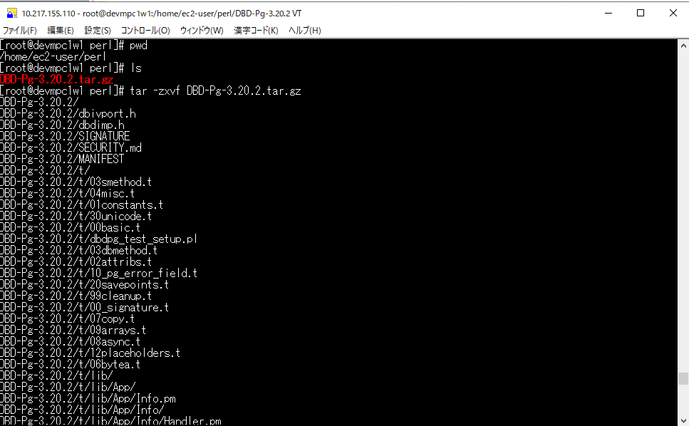
...
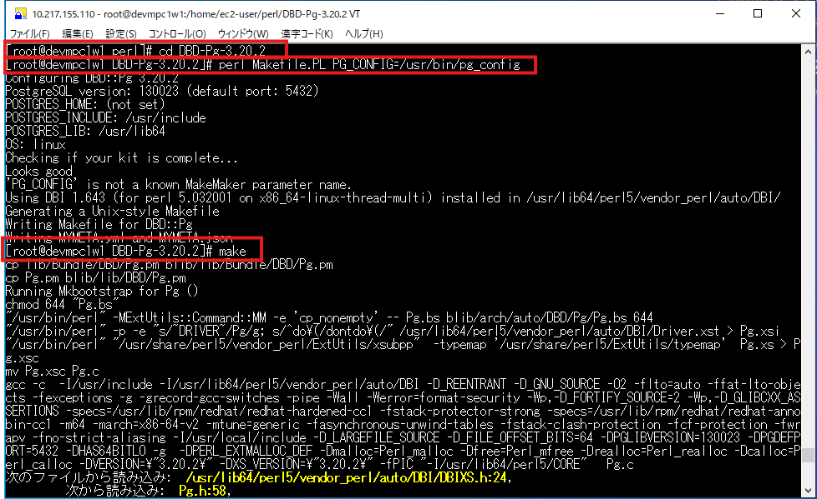
...
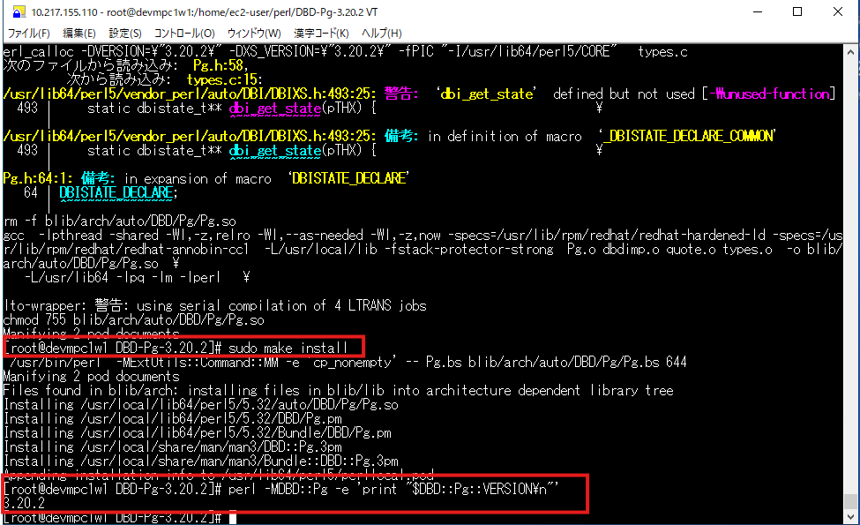
...

PostGreSQL Client17
...
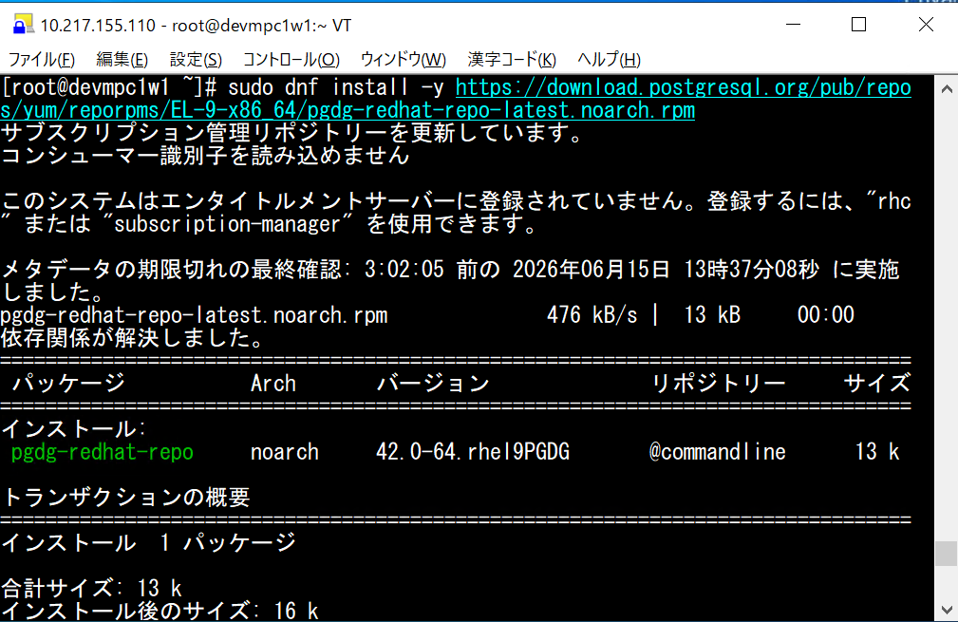
...
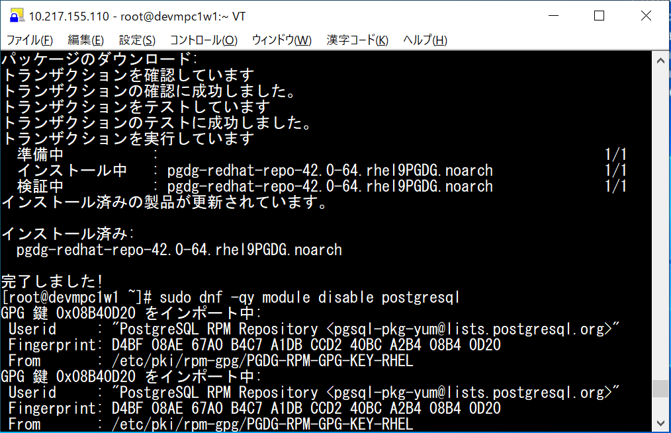
...
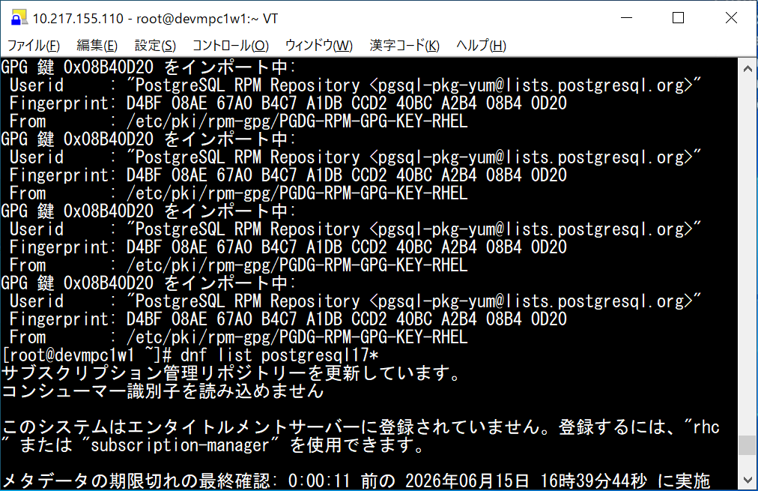
...
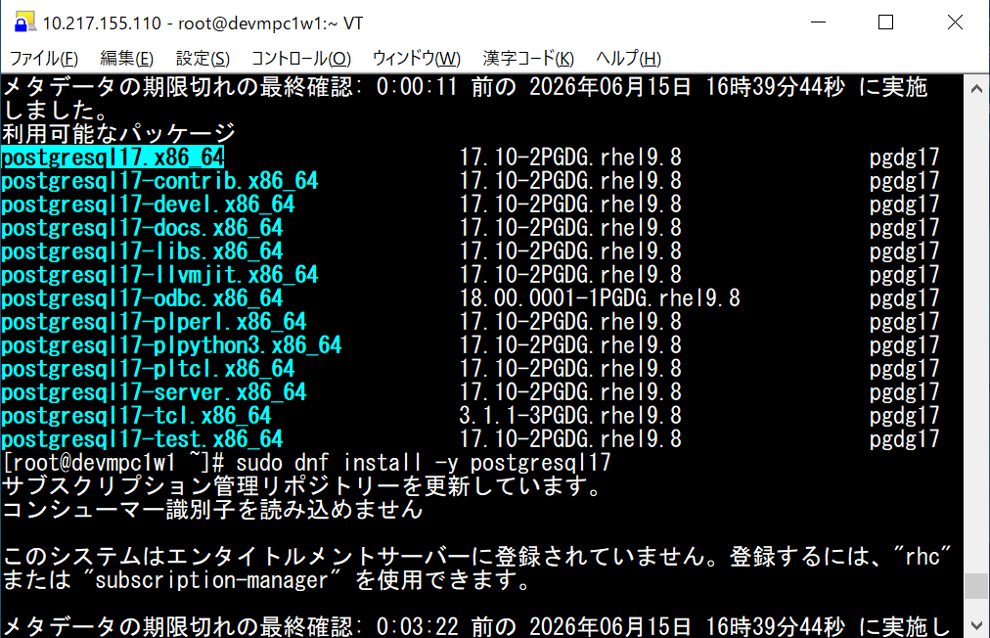
...
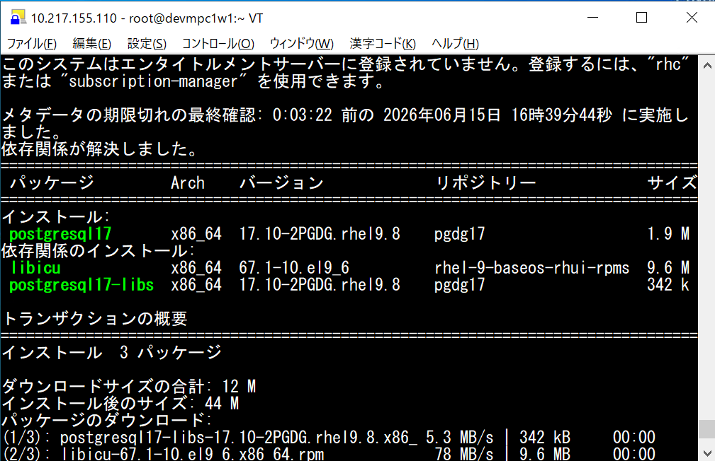
...
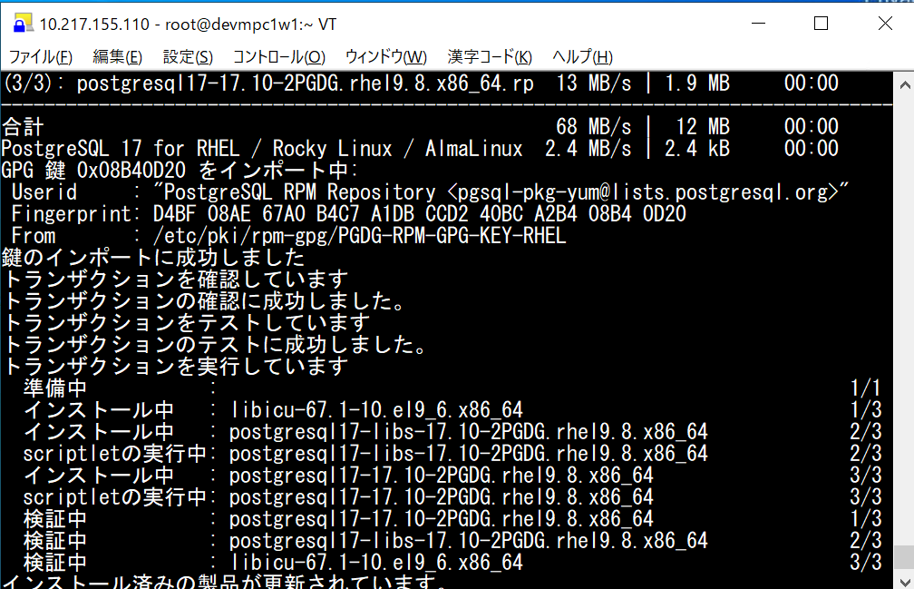
...
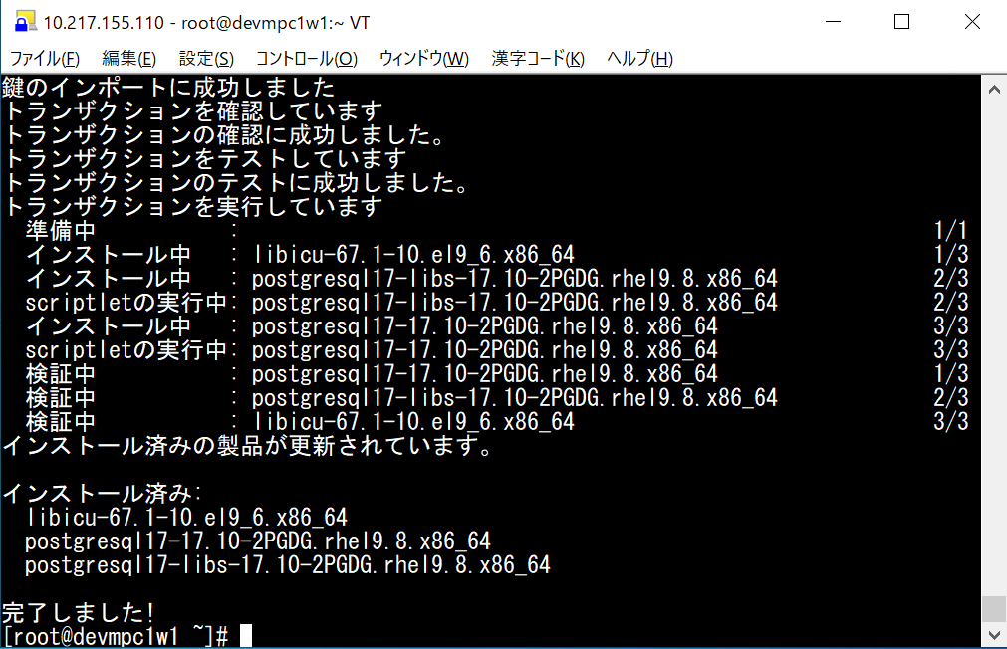
...

CSH6.22
...
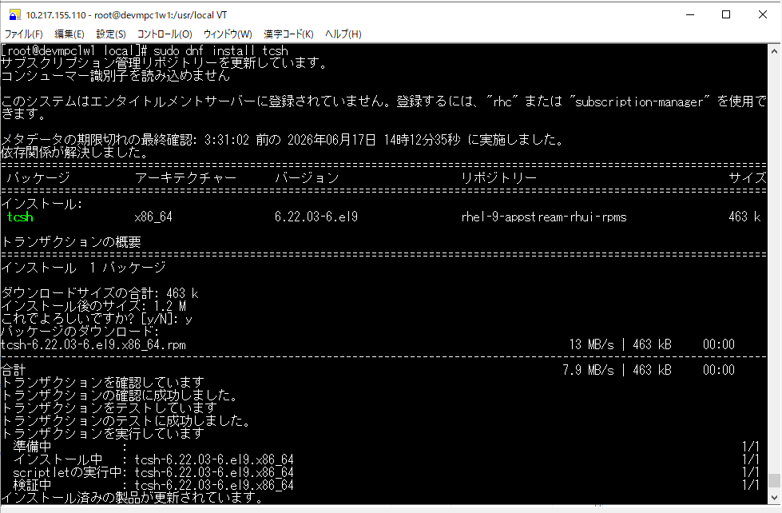
...
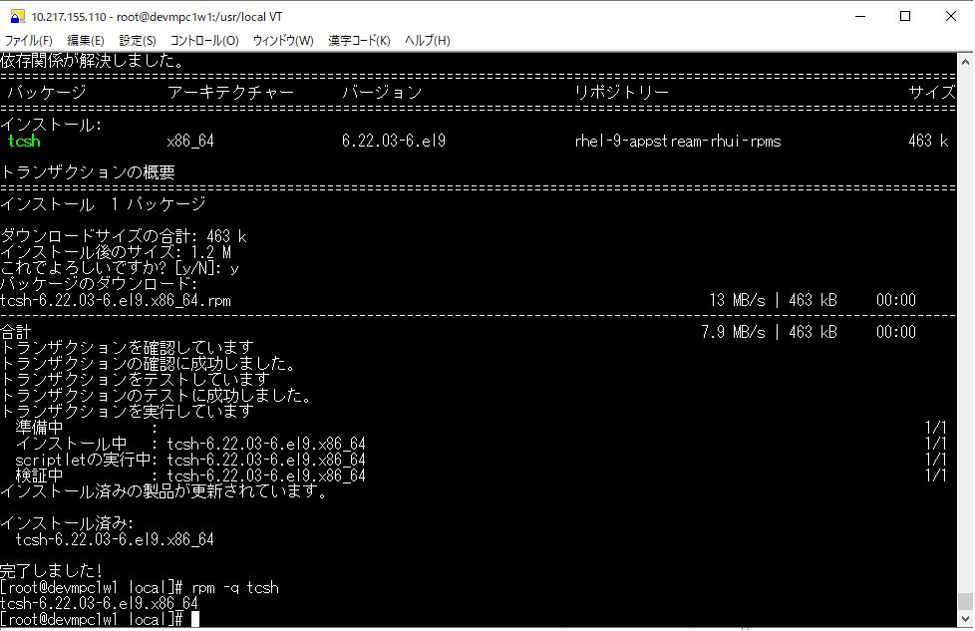
...

JP1 Version 13
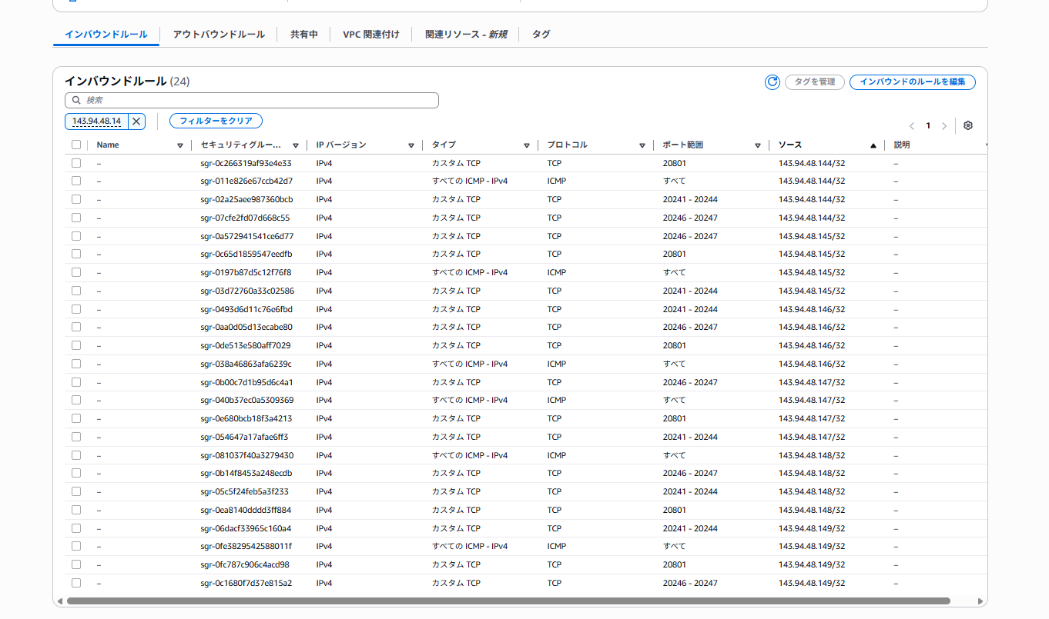
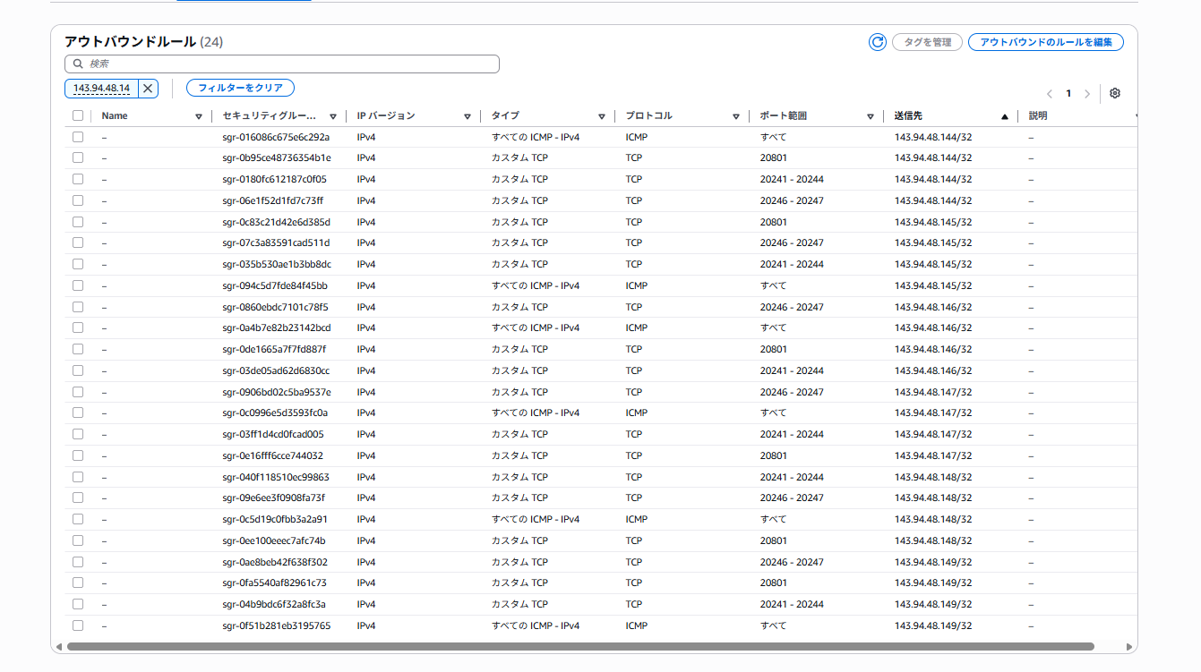
...

HULFT10
...



